Sheet1
SUNDARAM ASSET MANAGEMENT COMPANY DASHBOARD - JULY 2026
Scheme Name | Investment Objective | Inception Date | Benchmark (TIER I) | Benchmark (TIER II) | Additional Benchmark | Fund Managed by | Closing AUM as on July 31,2026 (in Crs) | BER Regular/ Direct (in%) as on July 31,2026 | Portfolio (Click on the link below) | Performance | Riskometer
Sundaram ELSS Tax Saver Fund | To build a high quality growth-oriented portfolio to provide long-term capital gains to the investors. The scheme aimsat providing returns through capital appreciation | Mar'1996 | Nifty 500 TRI | NA | Nifty 50 TRI | Bharath S, Rohit Seksaria, Shalav Saket (Overseas) | 1,296 Cr. | Regular:1.85 andDirect:1.39 | Portfolio
Sundaram Large Cap | The investment objective of the scheme is to generate capital, appreciation by investing in large cap stocks. | Jul'2002 | Nifty 100 TRI | NA | Nifty 50 TRI | Ashwin Jain, Shalav Saket (Overseas) | 3,099 Cr. | Regular:1.67 andDirect:0.62 | Portfolio
Sundaram Mid Cap Fund | The objective of the scheme is to achieve capital appreciation by investing predominantly in diversified stocks that are generally termed as mid-cap stocks. | Jul'2002 | Nifty Mid Cap 150 TRI | Nifty Mid Cap 100 TRI | Nifty 50 TRI | Bharath S, Shalav Saket (Overseas) | 14,504 Cr. | Regular: 1.45 and Direct: 0.75 | Portfolio
Sundaram Small Cap | The objective of the scheme is to achieve capital appreciation by investing predominantly in diversified stocks that are generally termed as small-cap stocks. | Feb'2005 | Nifty Small Cap 250 TRI | Nifty Small Cap 100 TRI | Nifty 50 TRI | Rohit Seksaria, Shalav Saket (Overseas) | 3,922 Cr. | Regular: 1.63 and Direct: 0.73 | Portfolio
Sundaram Large & Mid Cap fund | To seek capital appreciation by investing predominantly in equity and equity related instruments in large and mid cap stocks | Feb'2007 | Nifty Large Mid Cap 250 TRI | NA | Nifty 50 TRI | Madanagopal Ramu, Shalav Saket (Overseas) | 7,222 Cr. | Regular:1.54 andDirect:0.66 | Portfolio
Sundaram Multi Cap Fund | To achieve long – term capital appreciation | Oct'2000 | Nifty 500 Multi Cap 50:25:25 | NA | Nifty 50 TRI | Rohit Seksaria, Shalav Saket (Overseas) | 2,981 Cr. | Regular: 1.68 and Direct: 0.77 | Portfolio
Sundaram Flexi Cap Fund | To generate capital appreciation by dynamically investing in a mix of equity and equity related instruments across market capitalization (i.e., large, mid and small cap stocks). | Sep' 2022 | Nifty 500 TRI | NA | Nifty 50 TRI | Bharath S, Sandeep Agarwal, Shalav Saket (Overseas) | 1,999 Cr. | Regular:1.76 andDirect:0.62 | Portfolio
Sundaram Focused Fund | To provide capital appreciation and /or IDCW distribution by investing in companies across market capitalization | Nov'2005 | Nifty 500 TRI | Nifty Large Mid Cap 250 TRI | Nifty 50 TRI | Ashwin Jain, Shalav Saket (Overseas) | 1,068 Cr. | Regular:1.90 andDirect:1.05 | Portfolio
Sundaram Dividend Yield Fund | The investment objective of the scheme would be to provide capital appreciation and/or dividend distribution by investing predominantly in a well-diversified portfolio of companies that have a relatively high dividend yield. | Oct'2004 | Nifty 500 TRI | Nifty Dividend Opportunities 50 TRI | Nifty 50 TRI | Siddarth Mohta, Shalav Saket (Overseas) | 830 Cr. | Regular:1.99 andDirect:0.97 | Portfolio
Sundaram Multi Factor Fund | To provide long-term capital growth by following a multi-factor-based investment strategy | 2025-07-01 | BSE 200 TRI | NA | Nifty 50 TRI | Mr. Rohit Seksaria (Equity), Mr. Bharath S (Equity), Mr. Sandeep Agarwal (Fixed Income) | 902 Cr. | Regular:1.96 andDirect:0.65 | Portfolio
Sundaram Consumption Fund | The investment objective of the scheme is to generate long term capital appreciation by investing in a portfolio of companies that are likely to benefit directly from consumption led demand in India. | May'2006 | Nifty India Consumption TRI | NA | Nifty 50 TRI | Anuj Bansal, Rohit Seksaria, Shalav Saket (Overseas) | 1,495 Cr. | Regular:1.82 andDirect:1.08 | Portfolio
Sundaram Services Fund | To seek capital appreciation by investing in equity / equity related instruments of companies who drive a majoirty of their income from business predominantly in the Services sector of the economy. Services sector includes healthcare, Fitness, tourism & hospitality, transportation & Logistics, education, Staffing, Wealth management, media, Retail, aviation, Legal, architecture, Design services etc. | Sep'2018 | Nifty Services Sector TRI | Nifty 500 Multi Cap 50:25:25 TRI | Nifty 50 TRI | Rohit Seksaria, Shalav Saket (Overseas) | 5,137 Cr. | Regular:1.60 andDirect:0.64 | Portfolio
Sundaram Infrastructure Advantage Fund | To generate long-term returns by investing predominantly in equity / equity-related instruments of companies engaged either directly or indirectly in infrastructure - and infrastructure related activities or expected to benefit from the growth and development of infrastructure | Sep'2005 | Nifty Infrastructure TRI | NA | Nifty 50 TRI | Siddarth Mohta, Shalav Saket (Overseas) | 979 Cr. | Regular:1.93 andDirect:1.48 | Portfolio
Sundaram Financial Services Opportunities Fund | To seek long-term capital appreciation by investing predominantly in equity and equity related securities of Indian companies engaged in the banking and financial services sector | Jun'2008 | Nifty Financial Services TRI | NA | Nifty 50 TRI | Rohit Seksaria, Shalav Saket (Overseas) | 1,679 Cr. | Regular:1.79 andDirect:0.67 | Portfolio
Sundaram Business Cycle Fund | An open ended equity scheme following business cycles based investing theme | Jun'2024 | NIFTY 500 TRI | NA | Nifty 50 TRI | Madanagopal Ramu, Sandeep Agarwal, Shalav Saket (Overseas) | 1,663 Cr. | Regular:1.79 andDirect:0.50 | Portfolio
Sundaram Global Brand Theme - Equity Active FoF | To achieve capital appreciation by investing in units of Sundaram Global Brand Fund, Singapore as a feeder fund. | Mar'2004 | MSCI ACWI TRI Index (INR) | NA | Nifty 50 TRI | Shalav Saket (Overseas) | 170 Cr. | Regular:2.08 andDirect:1.28 | Portfolio
Sundaram Nifty 100 Equal Weight Fund | To invest principally in securities that comprise Nifty 100 Equal Weight Index and subject to tracking errors endeavour to attain results commensurate with the Nifty 100 Equal Weight Index | Jul'2009 | Nifty 100 Equal Weighted Index TRI | NA | Nifty 50 TRI | Rohit Seksaria | 147 Cr. | Regular: 0.90 and Direct: 0.49 | Portfolio
Sundaram Aggressive Hybrid Fund | The Investment objective of the Scheme is to provide longterm appreciation and current income by investing in a portfolio of equity, equity related securities and fixed income securities. Industry | Jan'2000 | CRISIL Hybrid 35+65 Aggressive Index | NA | Nifty 50 TRI | Bharath S, Clyton Richard Fernandes, Kumaresh Ramakrishnan (FI), Shalav Saket (Overseas) | 9,147 Cr. | Regular: 1.51 and Direct: 0.62 | Portfolio
Sundaram Equity Savings Fund | The investment objective of the scheme is to generate income by investing in arbitrage opportunities in the cash and derivatives segment of the equity market, and capital appreciation through a moderate exposure in equity. | May'2002 | Nifty Equity Savings Index | NA | CRISIL 10 Yr GILT | Clyton Richard Fernandes, Rohit Seksaria (Equity Portion), , Kumaresh Ramakrishnan(FI) | 1,032 Cr. | Regular: 1.92 and Direct: 0.65 | Portfolio
Sundaram Balanced Advantage Fund | The investment objective of the Scheme is to provide accrual income and capital appreciation by investing in a mix of equity, debt, REITs/InvITs and equity derivatives that are managed dynamically | Dec'2010 | NIFTY 50 Hyb. Comp. Debt 50:50 | NA | Nifty 50 TRI | Bharath S, Clyton Richard Fernandes, Kumaresh Ramakrishnan (FI) | 1,682 Cr. | Regular: 1.79 and Direct: 0.56 | Portfolio
Sundaram Multi Asset Allocation Fund | An Open Ended Scheme investing in Equity, Debt & Money Market Instruments and Gold ETFs | Jan'2024 | NIFTY 500 TRI (65%) + NIFTY Short Duration Debt Index (10%) + Domestic Prices of Gold (25%) | NA | Nifty 50 TRI | Rohit Seksaria & Clyton Richard Fernandes (Equity), Kumaresh Ramakrishnan(Fixed Income), Arjun Nagarajan (Gold ETFs), Shalav Saket (Overseas) | 3,314 Cr. | Regular: 1.58 and Direct: 0.43 | Portfolio
Sundaram Arbitrage Fund | To generate income with minimal volatility by investing in equity, arbitrage strategies which fully offset the equity exposure and investments in debt instruments. | Apr'2016 | NIFTY 50 Arbitrage Index | NA | Crisil 1 Yr T Bill | Rohit Seksaria, Kumaresh Ramakrishnan (FI) | 553 Cr. | Regular: 0.82 and Direct: 0.20 | Portfolio
Sundaram Value Fund | An open-ended equity scheme that follows value investment strategy | Nov'1999 | Nifty 500 TRI | NA | Nifty 50 TRI | Bharath S, Siddarth Mohta, Sandeep Agarwal (Fixed Income), Shalav Saket (Overseas) | 1,303 Cr. | Regular:1.85 and Direct:1.40 | Portfolio

Sundaram Long Term Tax Advantage Fund Series
Series III | The investment objective of the scheme is to generate capital appreciation over a period of ten years by investing predominantly in equity and equity-related instruments of companies along with income tax benefit. however, there is no guarantee or assurance that the investment objective of the scheme will be achieved. | 2018-03-28 | BSE 500 TRI | NA | Nifty 50 | Mr. Rohit Seksaria | 35 Cr | Regular :1.22 and Direct : 0.98 | Portfolio |  | 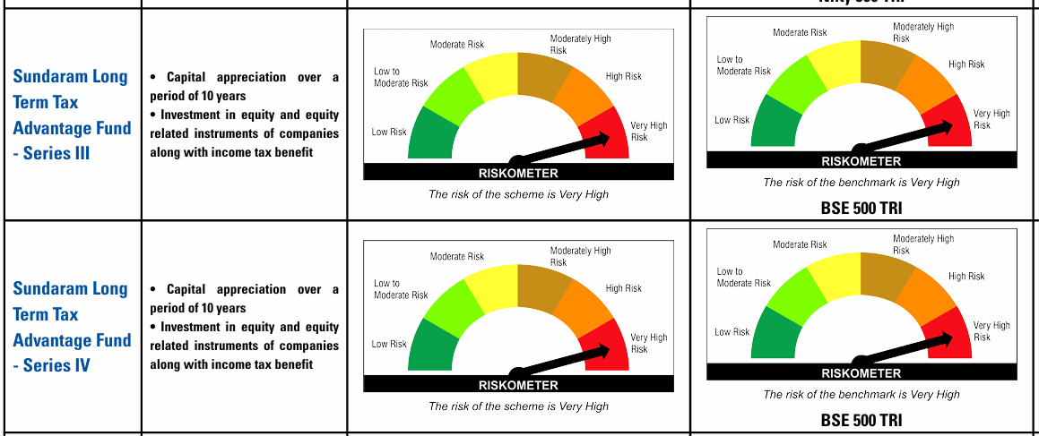
Series IV | The investment objective of the scheme is to generate capital appreciation over a period of ten years by investing predominantly in equity and equity-related instruments of companies along with income tax benefit. however, there is no guarantee or assurance that the investment objective of the scheme will be achieved. | 2018-07-05 | BSE 500 TRI | NA | Nifty 50 | Mr. Rohit Seksaria | 23 Cr | Regular :1.22 and Direct : 1.02
Sundaram Long Term Micro Cap Tax Advantage Fund Series III | the investment objective of the scheme is to generate capital appreciation over a period of ten years by predominantly investing in equity and equityrelated instruments of companies that can be termed as micro-cap and from income tax benefit available. For the purpose investment by the scheme ‘micro cap’ stock is defined as one whose market cap is equal to or lower than the 301stStock by market cap (after sorting the securities in the descending order of market capitalization) on the National Stock exchange of India limited, mumbai, at the time of investment. however, there is no guarantee or assurance that the investment objective of the scheme will be achieved. | 2016-11-18 | NIFTY Small Cap 100 TRI | NA | Nifty 50 | Mr. Rohit Seksaria | 78 Cr | Regular :1.21 and Direct : 1.02 | Portfolio |  | 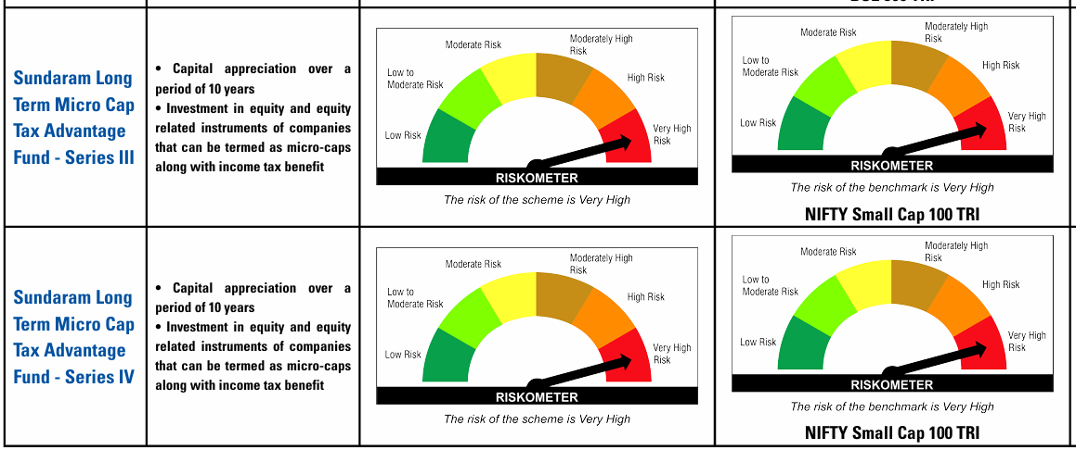
Sundaram Long Term Micro Cap Tax Advantage Fund Series IV | the investment objective of the scheme is to generate capital appreciation over a period of ten years by predominantly investing in equity and equityrelated instruments of companies that can be termed as micro-cap and from income tax benefit available. For the purpose investment by the scheme ‘micro cap’ stock is defined as one whose market cap is equal to or lower than the 301stStock by market cap (after sorting the securities in the descending order of market capitalization) on the National Stock exchange of India limited, mumbai, at the time of investment. however, there is no guarantee or assurance that the investment objective of the scheme will be achieved. | 2017-03-24 | NIFTY Small Cap 100 TRI | NA | Nifty 50 | Mr. Rohit Seksaria | 37 Cr | Regular :1.21 and Direct : 1.09
Sundaram Long Term Micro Cap Tax Advantage Fund Series V | the investment objective of the scheme is to generate capital appreciation over a period of ten years by predominantly investing in equity and equityrelated instruments of companies that can be termed as micro-cap and from income tax benefit available. For the purpose investment by the scheme ‘micro cap’ stock is defined as one whose market cap is equal to or lower than the 301stStock by market cap (after sorting the securities in the descending order of market capitalization) on the National Stock exchange of India limited, mumbai, at the time of investment. however, there is no guarantee or assurance that the investment objective of the scheme will be achieved. | 2017-07-05 | NIFTY Small Cap 100 TRI | NA | Nifty 50 | Mr. Rohit Seksaria | 32 Cr | Regular :1.21 and Direct : 0.99
Sundaram Long Term Micro Cap Tax Advantage Fund Series VI | the investment objective of the scheme is to generate capital appreciation over a period of ten years by predominantly investing in equity and equityrelated instruments of companies that can be termed as micro-cap and from income tax benefit available. For the purpose investment by the scheme ‘micro cap’ stock is defined as one whose market cap is equal to or lower than the 301stStock by market cap (after sorting the securities in the descending order of market capitalization) on the National Stock exchange of India limited, mumbai, at the time of investment. however, there is no guarantee or assurance that the investment objective of the scheme will be achieved. | 2017-09-28 | NIFTY Small Cap 100 TRI | NA | Nifty 50 | Mr. Rohit Seksaria | 37 Cr | Regular :1.21 and Direct : 0.96 |  |  | 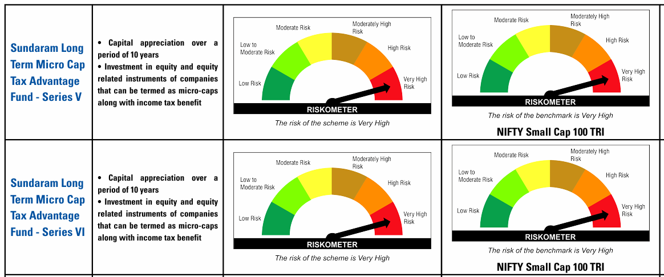

Fixed Income

Scheme Name | Investment Objective | Inception Date | Benchmark (TIER I) | Benchmark (TIER II) | Additional Benchmark | Fund Managed by | Closing AUM as on July 31,2026 (in Crs) | BER Regular/ Direct (in%) as on July 31,2026 | Portfolio (Click on the link below) | Performance | Riskometer
Sundaram Overnight Fund | To generate income by investing in debt, money market instruments, cash and cash equivalents with overnight maturity / maturing in one business day. No Guarantee/ Assurance: Investors are neither being offered any guaranteed/indicated returns nor any guarantee on repayment of capital by the Schemes. There is also no guarantee of capital or return either by the mutual fund or by the sponsor or by the Asset management Company. | 2019-03-20 | NIFTY1D Rate Index | NA | CRISIL 1Y Tbill | Sandeep Agarwal, Kumaresh Ramakrishnan | 1,896 Cr. | Regular:0.14 andDirect:0.06 | Portfolio
Sundaram Liquid Fund | To provide a level of income consistent with the preservation of capital, liquidity and lower level of risk, through investments made primarily in money market and debt securities. The aim is to optimize returns while providing liquidity. | 2004-08-30 | Nifty Liquid Index A-I | NA | CRISIL 1Y Tbill | Sandeep Agarwal, Kumaresh Ramakrishnan | 10,633 Cr. | Regular:0.31andDirect:0.12 | Portfolio
Sundaram Ultra Short Duration Fund | The investment objective is to generate regular income by investing predominantly in debt and money market instruments. | 2019-06-24 | Nifty Ultra Short Duration Debt Index A-I | NA | CRISIL 1Y TBill | Sandeep Agarwal, Kumaresh Ramakrishnan | 2,284 Cr. | Regular: 1.25 and Direct: 0.19 | Portfolio
Sundaram Low Duration Fund | To provide a level of income consistent with liquidity through investments made primarily in money market and debt securities. | 2007-04-23 | Nifty Low Duration Debt Index A-I | NA | CRISIL 1Y Tbill | Sandeep Agarwal, Kumaresh Ramakrishnan | 433 Cr. | Regular: 0.99 and Direct: 0.34 | Portfolio
Sundaram Money Market Fund | The investment objective of the scheme is to generate income by investing in a porfolio comprising of Money Market instruments having maturity up to one year. | 2018-09-26 | Nifty Money Market Index A-I | NA | CRISIL 1Y Tbill | Sandeep Agarwal, Kumaresh Ramakrishnan | 1,692 Cr. | Regular:0.32 andDirect:0.16 | Portfolio
Sundaram Short Duration Fund | To generate income and capital appreciation by investing primarily in fixed income securities & money market instruments. | 5-Sep-02 | Nifty Short Duration Debt Index A-II | NA | CRISIL 1Y TBill | Sandeep Agarwal, Kumaresh Ramakrishnan | 181 Cr. | Regular:0.69 andDirect:0.24' | Portfolio
Sundaram Medium Duration Fund | To generate income and capital appreciation by investing in Fixed Income Securities and Money Market Instruments. | 1997-12-18 | Nifty Medium Duration Debt Index A-III | NA | CRISIL10Y Gilt | Sandeep Agarwal, Kumaresh Ramakrishnan | 34 Cr. | Regular:1.63andDirect:0.99D | Portfolio
Sundaram Corporate Bond Fund | To generate income and capital appreciation by investing predominantly in AA+ and above rated corporate bonds. | 2009-03-23 | Nifty Corporate Bond Index A-II | NA | CRISIL10Y Gilt | Sandeep Agarwal, Kumaresh Ramakrishnan | 620 Cr. | Regular:0.47andDirect:0.27 | Portfolio
Sundaram Banking & PSU Fund | To generate income and capital appreciation by predominantly investing in debt instruments of Banks, Public Sector Undertakings, Public Financial Institutions and Municipal Bonds. | 23-Mar-09 | Nifty Banking & PSU Debt Index A-II | NA | CRISIL 1Y TBill | Sandeep Agarwal, Kumaresh Ramakrishnan | 261 Cr. | Regular:0.36andDirect:0.23 | Portfolio
Sundaram Conservative Hybrid Fund | To generate income and capital appreciation through investments predominantly in fixed income securities and in equity and equity related instruments. | 8-Mar-10 | CRISIL Hybrid 85+15 - Conservative Index | NA | CRISIL10Y Gilt | Kumaresh Ramakrishnan (FI), Bharath S (Equity) | 19 Cr. | Regular:1.62andDirect:0.96 | Portfolio
Sundaram Income Plus Arbitrage Fund | An open-ended fund of funds investing in units of debt oriented mutual fund schemes and arbitrage mutual fund schemes | Jan'2026 | 60% Nifty Short Duration Debt Index A-II + 40% Nifty 50 Arbitrage TRI | NA | NA | Bharath S, Sandeep Agarwal, Kumaresh Ramakrishnan | 69 Cr | Regular: 0.59 and Direct: 0.35 | Portfolio | Performance Not Availble as the Fund has not completed One year please
Past performance may or may not be sustained in future. Return/investment value are as of July 31,2026 . Returns are on a compounded annual basis for period more than one year and absolute for one-year period and computed using NAV of Regular Plan-Growth Option. Value of 10,000 invested at inception is as on July 31,2026

