SUNMIA
SUNDARAM MUTUAL FUND |  |  |  |  |  |  |  | Index
Sundaram Conservative Hybrid Fund
Monthly Portfolio Statement for the month ended 31 December 2025
SL No | ISIN Code | Name of the instrument | Rating / Industry | Quantity | Mkt Value Rs. in Lacs | % of Net Asset | YTM (%)*
 |  | A) Equity & Equity Related
 |  | (a) Listed / awaiting listing on Stock Exchange
1 | INE040A01034 | HDFC Bank Ltd | Banks | 6650 | 65.91 | 3.31%
2 | INE002A01018 | Reliance Industries Ltd | Petroleum Products | 3300 | 51.82 | 2.60%
3 | INE397D01024 | Bharti Airtel Ltd | Telecom - Services | 2400 | 50.53 | 2.54%
4 | INE090A01021 | ICICI Bank Ltd | Banks | 2500 | 33.57 | 1.69%
5 | INE009A01021 | Infosys Ltd | It - Software | 1707 | 27.57 | 1.38%
6 | INE062A01020 | State Bank of India | Banks | 2600 | 25.54 | 1.28%
7 | INE860A01027 | HCL Technologies Ltd | It - Software | 1400 | 22.73 | 1.14%
8 | INE029A01011 | Bharat Petroleum Corporation Ltd | Petroleum Products | 4000 | 15.36 | 0.77%
9 | INE238A01034 | Axis Bank Ltd | Banks | 1200 | 15.23 | 0.76%
10 | INE917I01010 | Bajaj Auto Ltd | Automobiles | 160 | 14.95 | 0.75%
11 | INE237A01028 | Kotak Mahindra Bank Ltd | Banks | 675 | 14.86 | 0.75%
12 | INE481G01011 | Ultratech Cement Ltd | Cement & Cement Products | 125 | 14.73 | 0.74%
13 | INE540L01014 | Alkem Laboratories Ltd | Pharmaceuticals & Biotechnology | 250 | 13.77 | 0.69%
14 | INE101A01026 | Mahindra & Mahindra Ltd | Automobiles | 325 | 12.05 | 0.61%
15 | INE669C01036 | Tech Mahindra Ltd | It - Software | 750 | 11.93 | 0.60%
16 | INE196A01026 | Marico Ltd | Agricultural Food & Other Products | 1500 | 11.26 | 0.57%
17 | INE797F01020 | Jubilant Foodworks Ltd | Leisure Services | 2000 | 11.17 | 0.56%
18 | INE066F01020 | Hindustan Aeronautics Ltd | Aerospace & Defense | 250 | 10.97 | 0.55%
19 | INE603J01030 | PI Industries Ltd | Fertilizers & Agrochemicals | 320 | 10.36 | 0.52%
20 | INE018A01030 | Larsen & Toubro Ltd | Construction | 250 | 10.21 | 0.51%
 |  | Sub Total |  |  | 444.54 | 22.32%

 |  | (b) Overseas Security
 |  | Sub Total |  |  | 0 | 0.00%

 |  | (c) Privately Placed / Unlisted
 |  | Sub Total |  |  | 0 | 0.00%

 |  | (d) Preference / Right Shares
 |  | Sub Total |  |  | 0 | 0.00%

 |  | (e) Warrants
 |  | Sub Total |  |  | 0 | 0.00%

 |  | f) Derivative
 |  | Sub Total |  |  | 0 | 0.00%

 |  | Total for Equity & Equity Related |  |  | 444.54 | 22.32%

 |  | B) Debt Instruments
 |  | (a) Listed / awaiting listing on Stock Exchange
 |  | Sub Total |  |  | 0 | 0.00%

 |  | (b) Privately Placed / Unlisted
 |  | Sub Total |  |  | 0 | 0.00%

 |  | (c) Govt Security
1 | IN0020250091 | 6.48% Central Government Securities 06/10/2035 | Sovereign | 900000 | 892.22 | 44.79% | 6.71
2 | IN0020250075 | 7.24% Central Government Securities 18/08/2055 | Sovereign | 500000 | 498.64 | 25.03% | 7.39
 |  | Sub Total |  |  | 1390.86 | 69.82%

 |  | (d) Securitized Debt Instruments
 |  | Sub Total |  |  | 0 | 0.00%

 |  | Total for Debt Instruments |  |  | 1390.86 | 69.82%

 |  | C) Money Market Instruments
 |  | (a) Certificate of Deposits
 |  | Sub Total |  |  | 0 | 0.00%

 |  | (b) Commercial Papers
 |  | Sub Total |  |  | 0 | 0.00%

 |  | (c) Treasury Bills
 |  | Sub Total |  |  | 0 | 0.00%

 |  | (d) ReverseRepo / TREPS
1 |  | TREPS |  |  | 106.88 | 5.37% | 5.42
 |  | Sub Total |  |  | 106.88 | 5.37%

 |  | Total for Money Market Instruments |  |  | 106.88 | 5.37%

 |  | D) Mutual Fund Units
 |  | (a) Investment in Mutual Fund Units
 |  | Sub Total |  |  | 0 | 0.00%

 |  | (b) Corporate Debt Market Development Fund
1 | INF0RQ622028 | Corporate Debt Market Development Fund - Class A2 |  | 76.7960 | 8.87 | 0.45%
 |  | Sub Total |  |  | 8.87 | 0.45%

 |  | E) Others
 |  | (a) Deposits with Commercial Banks
 |  | Sub Total |  |  | 0 | 0.00%

 |  | (b) Share Application Money pending Allotment
 |  | Sub Total |  |  | 0 | 0.00%

 |  | Cash and Other Net Current Assets^ |  |  | 40.79 | 2.05%
 |  | Grand Total |  |  | 1991.93 | 100.00 %

 | **Non Traded Securities - Wherever applicable
 | ^ Net current assets includes interest accrued on fixed income securities - Wherever applicable
 | # percentage to NAV of security is less than 0.01% - Wherever applicable

 | Notes
 | a) Total securities classified as below investment grade or default provided for and its percentage to NAV |  | Refer below point h)
 | b) Total value and percentage of illiquid equity shares |  | Nil
 | c) NAV per unit (Rupees per unit)
 |  | At the beginning | At the end
 | Option | 30-Nov-2025 | 31-Dec-2025
 | Direct Plan - Growth | 33.0398 | 33.1960
 | Direct Plan - Quarterly IDCW | 20.7586 | 20.8567
 | Regular Plan - Growth | 29.8530 | 29.9739
 | Regular Plan - Quarterly IDCW | 18.6425 | 18.7181

 | d) IDCW declared during the period (Rupees per unit) |  | Nil

 | e) Total outstanding exposure in derivative instruments at the end of the period |  | Nil
 | f) Total investments in foreign securities /ADR'S/GDR'S at the end of the period |  | Nil
 | g) Repo in corporate debt |  | Nil

 | Portfolio Information
 | Scheme Name : |  | Sundaram Conservative Hybrid Fund
 | Description (if any)

 | Annualised Portfolio YTM %* : |  | 6.84

 | Macaulay Duration - only for Debt portion (years) |  | 8.35
 | Average Maturity - only for Debt portion (years) |  | 15.62

 | As on (Date) |  | 31-Dec-2025
 | * in case of semi annual YTM, it will be annualised

 | h) Exposure to securities classified as below investment grade or default as on 31-Dec-2025:-
 | ISIN | NAME OF THE SECURITY | VALUE OF THE SECURITY CONSIDERED UNDER NET RECEIVABLES |  |  | % TO AUM
 | INE202B07654 | 11.55% Prev 11.45%-Dewan Housing Finance Corp Ltd-12/09/2019 | - |  |  | -

 | TOTAL AMOUNT INCLUDING INTEREST DUE TO AND RECOVERED BY THE SCHEME
 | ISIN | NAME OF THE SECURITY | TOTAL AMOUNT DUE |  |  |  | Amount Recovered (Rs. In Lacs) 30th Sep 2021 | Further amount received on 31/08/2024 (Rs. In Lacs) | Total settlement till date ( Rs . In Lacs )
 |  |  | PRINCIPAL (Rs. in Lacs) | Interest Accrued till 3rd June 2019 (Rs. in Lacs) | Interest not accrued due to category by rating agency as default till maturity (Rs. in Lacs) | Total (Rs. in Lacs)
 | INE202B07654 | 11.55%_Prev 11.45%-Dewan Housing Finance Corp Ltd-12/09/2019 | 500.00 | 9.94 | 16.01 | 525.95 | 233.41 | 4.01 | 237.42

 | For Further details please refer the below Links for Rationale

 | https://www.sundarammutual.com/pdf2/2021/Rationale_for_Valuation/DHFL_Valuation_impact_22_Sep_2021.pdf

 | https://www.sundarammutual.com/pdf2/2021/Rationale_for_Valuation/Update_on_DHFL_Recovery_30_sep_2021.pdf

 | https://www.sundarammutual.com/pdf2/2024/Rationale_for_Valuation/Update_on_DHFL_Recovery_31_Aug_2024_V1.pdf

 | https://www.sundarammutual.com/pdf2/2025/Rationale_for_Valuation/Update_on_Valuation_of_RoadStar_InVIT_Units_V1.pdf

 | https://www.sundarammutual.com/pdf2/2025/Rationale_for_Valuation/Update_on_Valuation_of_RoadStar_InVIT_Units_22_Sep_2025.pdf
 | Scheme Riskometer :

 | 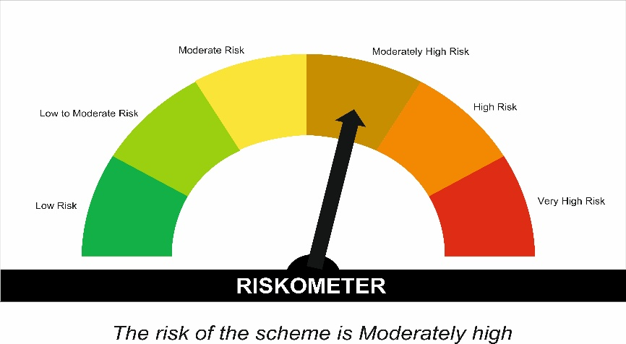

 | Tier I Benchmark Riskometer :
 | CRISIL Hybrid 85 Plus 15 - Conservative Index
 | 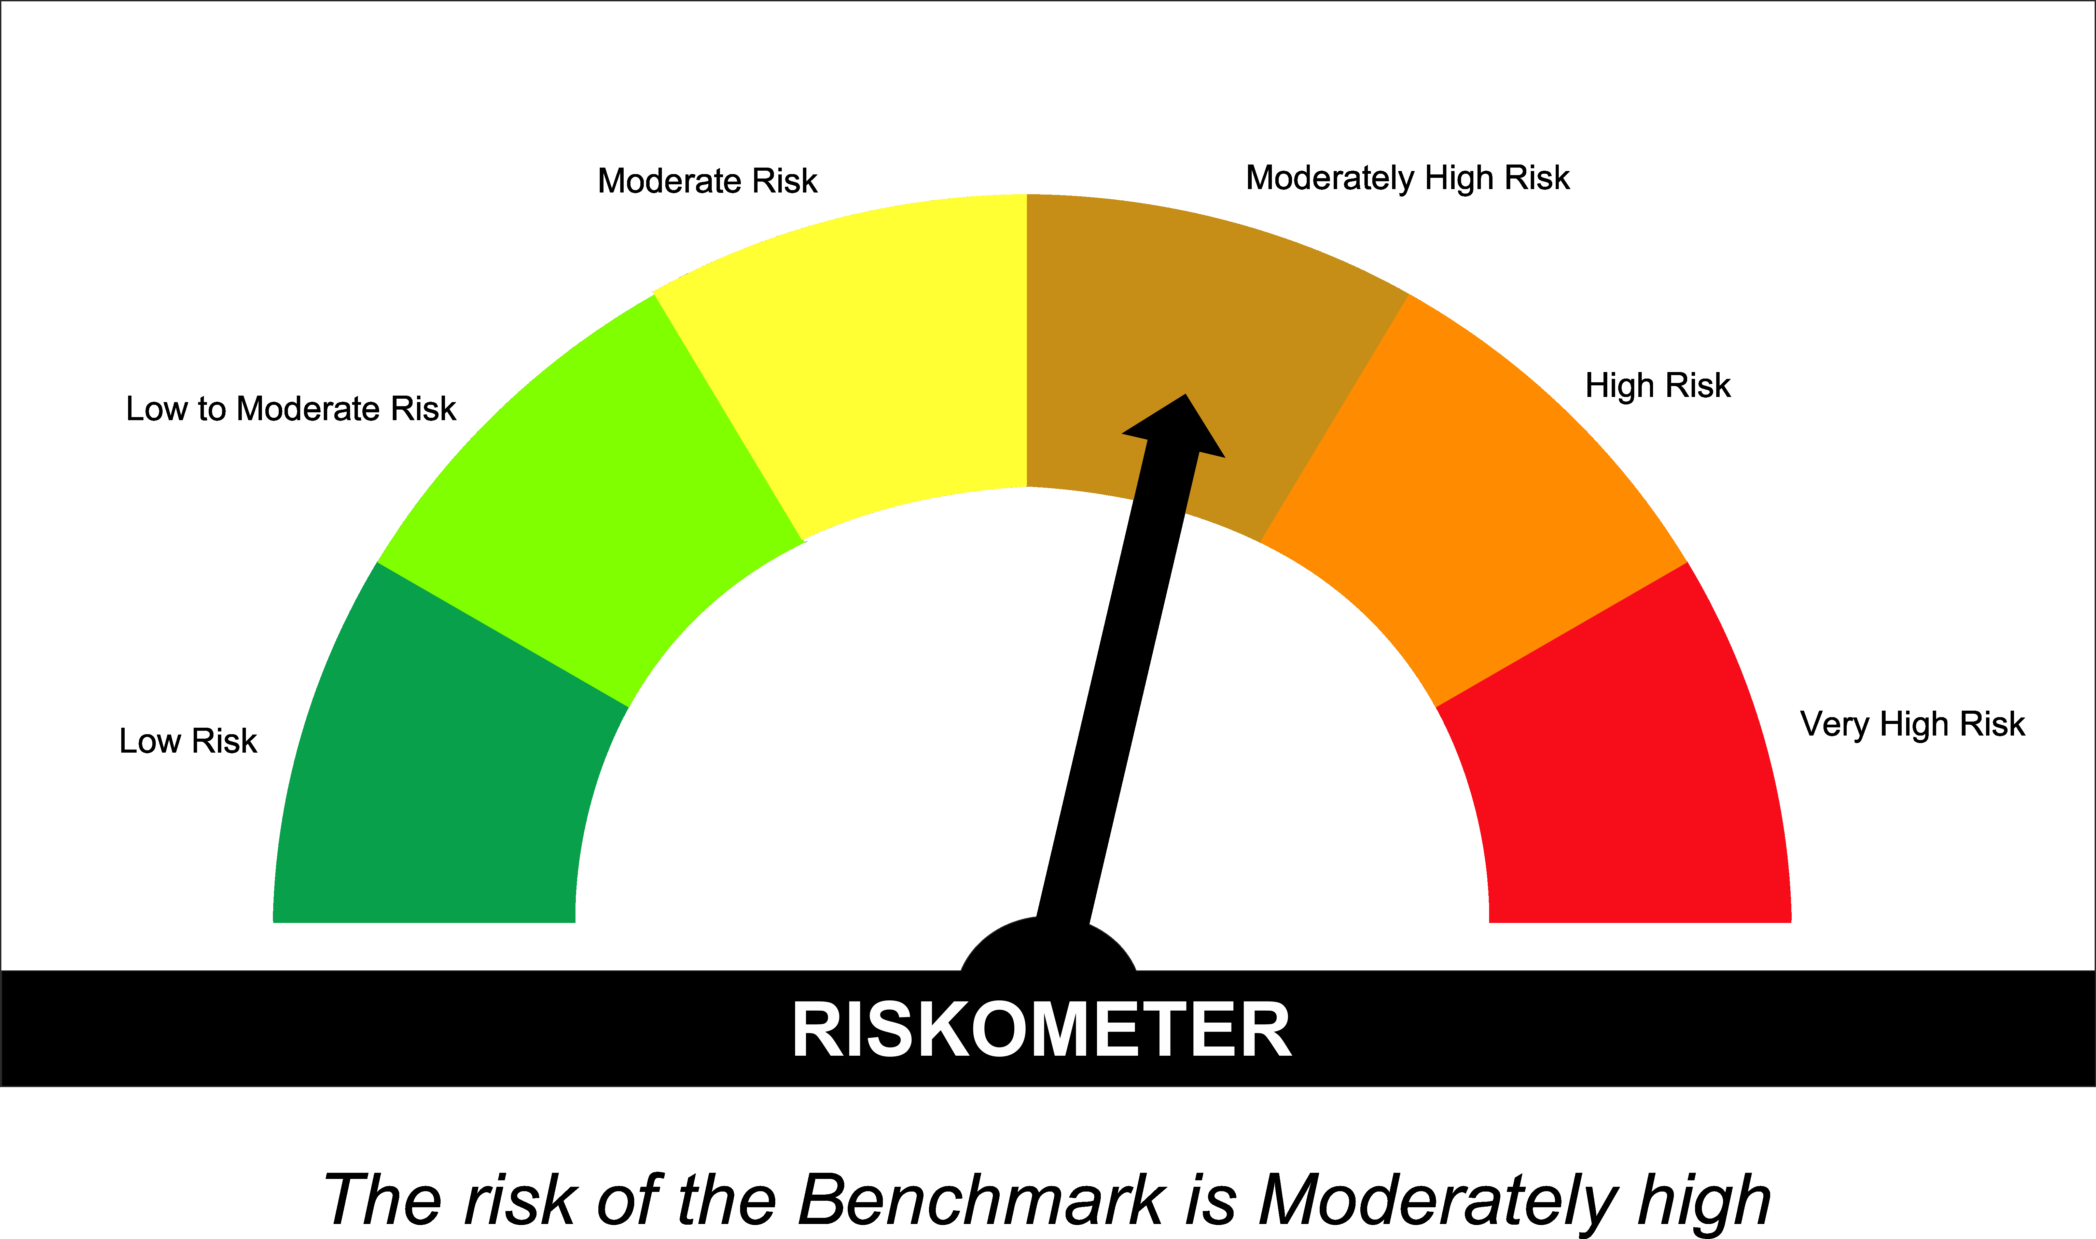

SUNONF
...
Annualised Portfolio YTM %* : | 5.45

Macaulay Duration (Days) | 1
Average Maturity (Days) | 1

As on (Date) | 31-Dec-2025
* in case of semi annual YTM, it will be annualised

Scheme Riskometer :

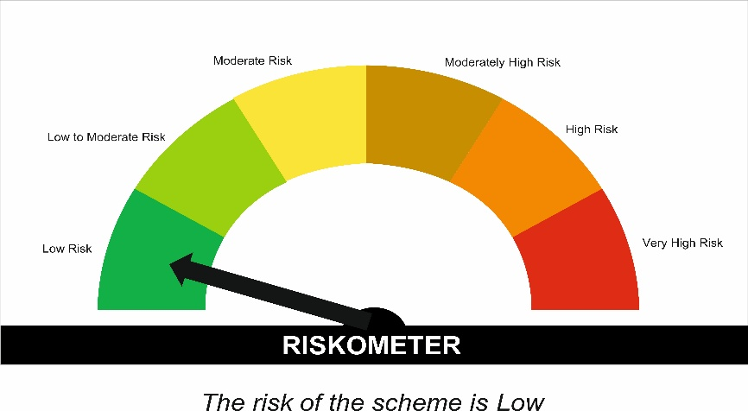

Tier I Benchmark Riskometer :
NIFTY 1D Rate Index

