SUNMIA
SUNDARAM MUTUAL FUND |  |  |  |  |  |  |  | Index
Sundaram Conservative Hybrid Fund
Monthly Portfolio Statement for the month ended 31 January 2026
SL No | ISIN Code | Name of the instrument | Rating / Industry | Quantity | Mkt Value Rs. in Lacs | % of Net Asset | YTM (%)*
 |  | A) Equity & Equity Related
 |  | (a) Listed / awaiting listing on Stock Exchange
1 | INE040A01034 | HDFC Bank Ltd | Banks | 5700 | 52.97 | 2.68%
2 | INE397D01024 | Bharti Airtel Ltd | Telecom - Services | 2400 | 47.25 | 2.39%
3 | INE002A01018 | Reliance Industries Ltd | Petroleum Products | 3000 | 41.86 | 2.12%
4 | INE090A01021 | ICICI Bank Ltd | Banks | 2200 | 29.81 | 1.51%
5 | INE009A01021 | Infosys Ltd | It - Software | 1707 | 28.01 | 1.42%
6 | INE062A01020 | State Bank of India | Banks | 2600 | 28.01 | 1.42%
7 | INE860A01027 | HCL Technologies Ltd | It - Software | 1400 | 23.74 | 1.20%
8 | INE238A01034 | Axis Bank Ltd | Banks | 1200 | 16.44 | 0.83%
9 | INE481G01011 | Ultratech Cement Ltd | Cement & Cement Products | 125 | 15.87 | 0.80%
10 | INE917I01010 | Bajaj Auto Ltd | Automobiles | 160 | 15.36 | 0.78%
11 | INE540L01014 | Alkem Laboratories Ltd | Pharmaceuticals & Biotechnology | 250 | 14.19 | 0.72%
12 | INE237A01036 | Kotak Mahindra Bank Ltd | Banks | 3375 | 13.77 | 0.70%
13 | INE669C01036 | Tech Mahindra Ltd | It - Software | 750 | 13.07 | 0.66%
14 | INE066F01020 | Hindustan Aeronautics Ltd | Aerospace & Defense | 250 | 11.55 | 0.58%
15 | INE029A01011 | Bharat Petroleum Corporation Ltd | Petroleum Products | 3000 | 10.94 | 0.55%
16 | INE603J01030 | PI Industries Ltd | Fertilizers & Agrochemicals | 320 | 10.23 | 0.52%
17 | INE797F01020 | Jubilant Foodworks Ltd | Leisure Services | 2000 | 9.94 | 0.50%
18 | INE018A01030 | Larsen & Toubro Ltd | Construction | 250 | 9.83 | 0.50%
19 | INE101A01026 | Mahindra & Mahindra Ltd | Automobiles | 250 | 8.58 | 0.43%
20 | INE196A01026 | Marico Ltd | Agricultural Food & Other Products | 1100 | 8.03 | 0.41%
 |  | Sub Total |  |  | 409.44 | 20.71%

 |  | (b) Overseas Security
 |  | Sub Total |  |  | 0 | 0.00%

 |  | (c) Privately Placed / Unlisted
 |  | Sub Total |  |  | 0 | 0.00%

 |  | (d) Preference / Right Shares
 |  | Sub Total |  |  | 0 | 0.00%

 |  | (e) Warrants
 |  | Sub Total |  |  | 0 | 0.00%

 |  | f) Derivative
 |  | Sub Total |  |  | 0 | 0.00%

 |  | Total for Equity & Equity Related |  |  | 409.44 | 20.71%

 |  | B) Debt Instruments
 |  | (a) Listed / awaiting listing on Stock Exchange
 |  | Sub Total |  |  | 0 | 0.00%

 |  | (b) Privately Placed / Unlisted
 |  | Sub Total |  |  | 0 | 0.00%

 |  | (c) Govt Security
1 | IN0020250075 | 7.24% Central Government Securities 18/08/2055 | Sovereign | 500000 | 493.18 | 24.94% | 7.49
 |  | Sub Total |  |  | 493.18 | 24.94%

 |  | (d) Securitized Debt Instruments
 |  | Sub Total |  |  | 0 | 0.00%

 |  | Total for Debt Instruments |  |  | 493.18 | 24.94%

 |  | C) Money Market Instruments
 |  | (a) Certificate of Deposits
 |  | Sub Total |  |  | 0 | 0.00%

 |  | (b) Commercial Papers
 |  | Sub Total |  |  | 0 | 0.00%

 |  | (c) Treasury Bills
 |  | Sub Total |  |  | 0 | 0.00%

 |  | (d) ReverseRepo / TREPS
1 |  | TREPS |  |  | 629.92 | 31.86% | 5.20
 |  | Sub Total |  |  | 629.92 | 31.86%

 |  | Total for Money Market Instruments |  |  | 629.92 | 31.86%

 |  | D) Mutual Fund Units
 |  | (a) Investment in Mutual Fund Units
 |  | Sub Total |  |  | 8.91 | 0.45%

 |  | (b) Corporate Debt Market Development Fund
1 | INF0RQ622028 | Corporate Debt Market Development Fund - Class A2 |  | 76.7960 | 8.91 | 0.45%
 |  | Sub Total |  |  | 8.91 | 0.45%

 |  | E) Others
 |  | (a) Deposits with Commercial Banks
 |  | Sub Total |  |  | 0 | 0.00%

 |  | (b) Share Application Money pending Allotment
 |  | Sub Total |  |  | 0 | 0.00%

 |  | Cash and Other Net Current Assets^ |  |  | 435.92 | 22.05%
 |  | Grand Total |  |  | 1977.37 | 100.00 %

 | **Non Traded Securities - Wherever applicable
 | ^ Net current assets includes interest accrued on fixed income securities - Wherever applicable
 | # percentage to NAV of security is less than 0.01% - Wherever applicable

 | Notes
 | a) Total securities classified as below investment grade or default provided for and its percentage to NAV |  | Refer below point h)
 | b) Total value and percentage of illiquid equity shares |  | Nil
 | c) NAV per unit (Rupees per unit)
 |  | At the beginning | At the end
 | Option | 31-Dec-2025 | 31-Jan-2026
 | Direct Plan - Growth | 33.1960 | 32.9912
 | Direct Plan - IDCW | 20.8567 | 20.7281
 | Regular Plan - Growth | 29.9739 | 29.7812
 | Regular Plan - IDCW | 18.7181 | 18.5977

 | d) IDCW declared during the period (Rupees per unit) |  | Nil

 | e) Total outstanding exposure in derivative instruments at the end of the period |  | Nil
 | f) Total investments in foreign securities /ADR'S/GDR'S at the end of the period |  | Nil
 | g) Repo in corporate debt |  | Nil

 | Portfolio Information
 | Scheme Name : |  | Sundaram Conservative Hybrid Fund
 | Description (if any)

 | Annualised Portfolio YTM %* : |  | 6.38

 | Macaulay Duration - only for Debt portion (years) |  | 5.79
 | Average Maturity - only for Debt portion (years) |  | 12.16

 | As on (Date) |  | 31-Jan-2026
 | * in case of semi annual YTM, it will be annualised

 | h) Exposure to securities classified as below investment grade or default as on 31-Jan-2026:-
 | ISIN | NAME OF THE SECURITY | VALUE OF THE SECURITY CONSIDERED UNDER NET RECEIVABLES |  |  | % TO AUM
 | INE202B07654 | 11.55% Prev 11.45%-Dewan Housing Finance Corp Ltd-12/09/2019 | - |  |  | -

 | TOTAL AMOUNT INCLUDING INTEREST DUE TO AND RECOVERED BY THE SCHEME
 | ISIN | NAME OF THE SECURITY | TOTAL AMOUNT DUE |  |  |  | Amount Recovered (Rs. In Lacs) 30th Sep 2021 | Further amount received on 31/08/2024 (Rs. In Lacs) | Total settlement till date ( Rs . In Lacs )
 |  |  | PRINCIPAL (Rs. in Lacs) | Interest Accrued till 3rd June 2019 (Rs. in Lacs) | Interest not accrued due to category by rating agency as default till maturity (Rs. in Lacs) | Total (Rs. in Lacs)
 | INE202B07654 | 11.55%_Prev 11.45%-Dewan Housing Finance Corp Ltd-12/09/2019 | 500.00 | 9.94 | 16.01 | 525.95 | 233.41 | 4.01 | 237.42

 | For Further details please refer the below Links for Rationale

 | https://www.sundarammutual.com/pdf2/2021/Rationale_for_Valuation/DHFL_Valuation_impact_22_Sep_2021.pdf

 | https://www.sundarammutual.com/pdf2/2021/Rationale_for_Valuation/Update_on_DHFL_Recovery_30_sep_2021.pdf

 | https://www.sundarammutual.com/pdf2/2024/Rationale_for_Valuation/Update_on_DHFL_Recovery_31_Aug_2024_V1.pdf

 | https://www.sundarammutual.com/pdf2/2025/Rationale_for_Valuation/Update_on_Valuation_of_RoadStar_InVIT_Units_V1.pdf

 | https://www.sundarammutual.com/pdf2/2025/Rationale_for_Valuation/Update_on_Valuation_of_RoadStar_InVIT_Units_22_Sep_2025.pdf
 | Scheme Riskometer :

 | 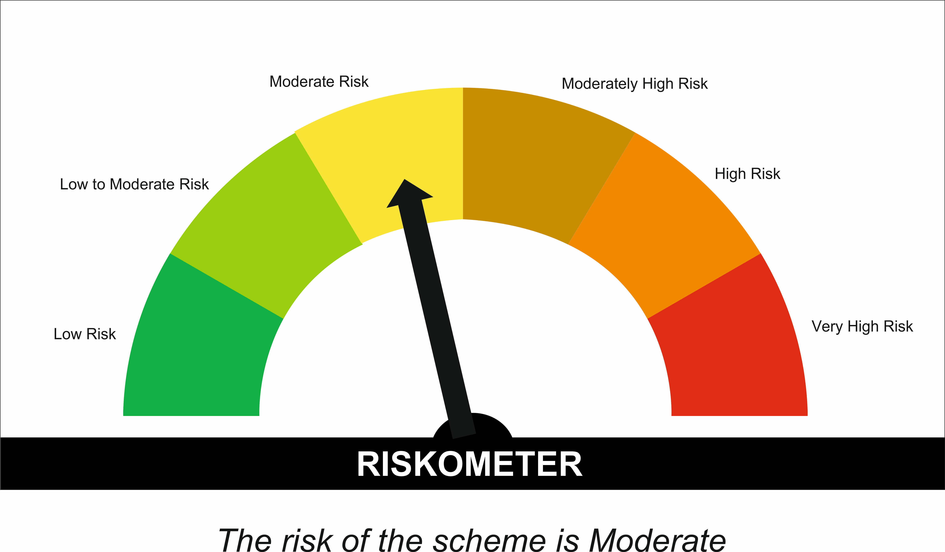

 | Tier I Benchmark Riskometer :
 | CRISIL Hybrid 85 Plus 15 - Conservative Index
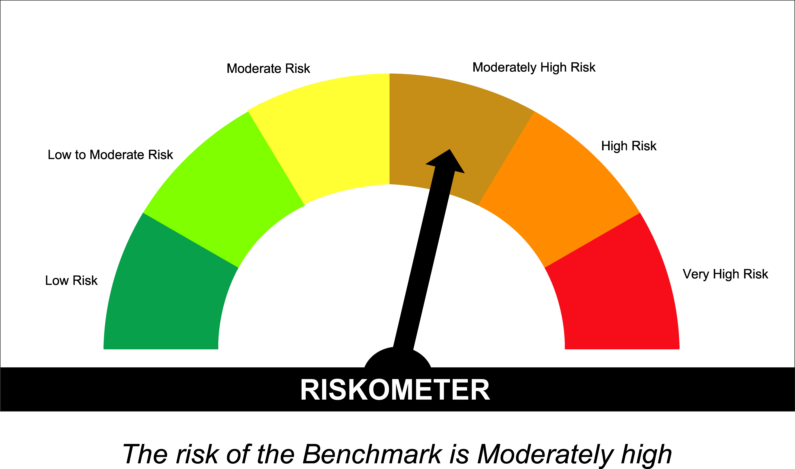

SUNONF
SUNDARAM MUTUAL FUND |  |  | Index
Sundaram Overnight Fund
Monthly Portfolio Statement for the month ended 31 January 2026
...
 | Annualised Portfolio YTM %* : | 5.23

 | Macaulay Duration (Days) | 2
 | Average Maturity (Days) | 2

 | As on (Date) | 31-Jan-2026
 | * in case of semi annual YTM, it will be annualised

 | Scheme Riskometer :

 | 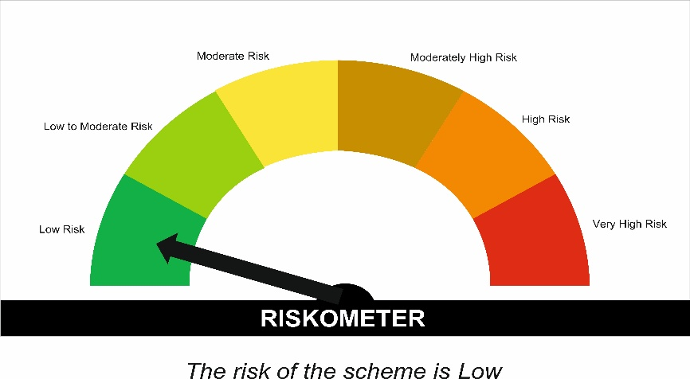

 | Tier I Benchmark Riskometer :
 | NIFTY 1D Rate Index

