CAPEXG
SUNDARAM MUTUAL FUND |  |  |  |  |  |  |  | Index
Sundaram Infrastructure Advantage Fund
Monthly Portfolio Statement for the month ended 30 April 2026
SL No | ISIN Code | Name of the instrument | Rating / Industry | Quantity | Mkt Value Rs. in Lacs | % of Net Asset | YTM (%)
 |  | A) Equity & Equity Related
 |  | (a) Listed / awaiting listing on Stock Exchange
1 | INE018A01030 | Larsen & Toubro Ltd | Construction | 210000 | 8429.40 | 8.51%
2 | INE397D01024 | Bharti Airtel Ltd | Telecom - Services | 415000 | 7830.22 | 7.91%
3 | INE002A01018 | Reliance Industries Ltd | Petroleum Products | 510000 | 7297.08 | 7.37%
4 | INE733E01010 | NTPC LTD | Power | 1340000 | 5348.61 | 5.40%
5 | INE481G01011 | Ultratech Cement Ltd | Cement & Cement Products | 28000 | 3244.08 | 3.28%
6 | INE263A01024 | Bharat Electronics Ltd | Aerospace & Defense | 675000 | 2911.28 | 2.94%
7 | INE752E01010 | Power Grid Corporation of India Ltd | Power | 800000 | 2546.80 | 2.57%
8 | INE07Y701011 | Hitachi Energy India Ltd | Electrical Equipment | 7000 | 2348.50 | 2.37%
9 | INE200A01026 | GE Vernova T and D India Ltd | Electrical Equipment | 51000 | 2277.76 | 2.30%
10 | INE062A01020 | State Bank of India | Banks | 200000 | 2136.90 | 2.16%
11 | INE146L01010 | Kirloskar Oil Engines Ltd | Industrial Products | 112000 | 1901.98 | 1.92%
12 | INE245A01021 | TATA Power Company Ltd | Power | 415000 | 1844.88 | 1.86%
13 | INE419M01027 | TD Power Systems Ltd | Electrical Equipment | 160000 | 1844.32 | 1.86%
14 | INE090A01021 | ICICI Bank Ltd | Banks | 145000 | 1831.93 | 1.85%
15 | INE284S01014 | S.J.S. Enterprises Ltd | Auto Components | 100000 | 1808.80 | 1.83%
16 | INE029A01011 | Bharat Petroleum Corporation Ltd | Petroleum Products | 575000 | 1727.59 | 1.74%
17 | INE220B01022 | Kalpataru Projects International Ltd | Construction | 138000 | 1725.41 | 1.74%
18 | INE371P01015 | Amber Enterprises India Ltd | Consumer Durables | 21500 | 1725.16 | 1.74%
19 | INE742F01042 | Adani Ports and Special Economic Zone Ltd | Transport Infrastructure | 100000 | 1657.30 | 1.67%
20 | INE213A01029 | Oil & Natural Gas Corporation Ltd | Oil | 550000 | 1647.53 | 1.66%
21 | INE152A01029 | Thermax Ltd | Electrical Equipment | 40000 | 1631.04 | 1.65%
22 | INE284A01012 | ESAB India Ltd | Industrial Products | 25000 | 1566.73 | 1.58%
23 | INE813H01021 | Torrent Power Ltd | Power | 88000 | 1527.68 | 1.54%
24 | INE999A01023 | KSB LTD | Industrial Products | 155000 | 1516.83 | 1.53%
25 | INE342J01019 | ZF Commercial Vehicle Control Systems I Ltd | Auto Components | 9500 | 1396.41 | 1.41%
26 | INE040H01021 | Suzlon Energy Ltd | Electrical Equipment | 2500000 | 1389.50 | 1.40%
27 | INE121J01017 | Indus Towers Ltd (Prev Bharti Infratel Ltd) | Telecom - Services | 325000 | 1332.34 | 1.35%
28 | INE823G01014 | JK Cement Ltd | Cement & Cement Products | 25000 | 1321.75 | 1.33%
29 | INE298A01020 | Cummins India Ltd | Industrial Products | 24000 | 1263.94 | 1.28%
30 | INE003A01024 | Siemens Ltd | Electrical Equipment | 33000 | 1256.71 | 1.27%
31 | INE00LO01017 | Craftsman Automation Ltd | Auto Components | 16000 | 1230.08 | 1.24%
32 | INE148O01028 | Delhivery Ltd | Transport Services | 260000 | 1214.33 | 1.23%
33 | INE117A01022 | ABB India Ltd | Electrical Equipment | 16000 | 1156.80 | 1.17%
34 | INE257A01026 | Bharat Heavy Electricals Ltd | Electrical Equipment | 325000 | 1145.33 | 1.16%
35 | INE646L01027 | Interglobe Aviation Ltd | Transport Services | 25000 | 1073.83 | 1.08%
36 | INE868B01028 | NCC Ltd | Construction | 650000 | 1064.96 | 1.08%
37 | INE513A01022 | Schaeffler India Ltd | Auto Components | 25000 | 1031.20 | 1.04%
38 | INE129A01019 | GAIL (India) Ltd | Gas | 625000 | 1020.19 | 1.03%
39 | INE343G01021 | Bharti Hexacom Ltd | Telecom - Services | 65000 | 986.31 | 1.00%
40 | INE152M01016 | Triveni Turbine Ltd | Electrical Equipment | 171524 | 983.26 | 0.99%
41 | INE671H01015 | Sobha Ltd | Realty | 67000 | 960.38 | 0.97%
42 | INE437A01024 | Apollo Hospitals Enterprise Ltd | Healthcare Services | 12500 | 954.56 | 0.96%
43 | INE811A01020 | Kirlosakar Pneumatic Company Ltd | Industrial Products | 60000 | 901.98 | 0.91%
44 | INE205B01031 | Elecon Engineering Company Ltd | Electrical Equipment | 175000 | 886.64 | 0.90%
45 | INE880J01026 | JSW Infrastructure Ltd | Transport Infrastructure | 300000 | 815.94 | 0.82%
46 | INE079A01024 | Ambuja Cements Ltd | Cement & Cement Products | 175000 | 777.35 | 0.79%
47 | INE081A01020 | Tata Steel Ltd | Ferrous Metals | 300000 | 634.08 | 0.64%
48 | INE749A01030 | Jindal Steel & Power Ltd | Ferrous Metals | 50000 | 611.55 | 0.62%
49 | INE1NPP01017 | Siemens Energy India Limited | Electrical Equipment | 18000 | 590.18 | 0.60%
50 | INE111A01025 | Container Corporation of India Ltd | Transport Services | 112500 | 572.46 | 0.58%
 |  | Sub Total |  |  | 94899.84 | 95.84%

 |  | (b) Overseas Security
 |  | Sub Total |  |  | 0 | 0.00%

 |  | (c) Privately Placed / Unlisted
1 | INE551A01022 | Hindustan Dorr Oliver Ltd @ | Engineering Services | 559425 | 0.00 | #
 |  | Sub Total |  |  | 0 | 0.00%

 |  | (d) Preference / Right Shares
 |  | Sub Total |  |  | 0 | 0.00%

 |  | (e) Warrants
 |  | Sub Total |  |  | 0 | 0.00%

 |  | f) Derivative
 |  | Sub Total |  |  | 0 | 0.00%

 |  | Total for Equity & Equity Related |  |  | 94899.84 | 95.84%

 |  | B) Debt Instruments
 |  | (a) Listed / awaiting listing on Stock Exchange
 |  | Sub Total |  |  | 0 | 0.00%

 |  | (b) Privately Placed / Unlisted
 |  | Sub Total |  |  | 0 | 0.00%

 |  | (c) Govt Security
 |  | Sub Total |  |  | 0 | 0.00%

 |  | (d) Securitized Debt Instruments
 |  | Sub Total |  |  | 0 | 0.00%

 |  | Total for Debt Instruments |  |  | 0.00 | 0.00%

 |  | C) Money Market Instruments
 |  | (a) Certificate of Deposits
 |  | Sub Total |  |  | 0 | 0.00%

 |  | (b) Commercial Papers
 |  | Sub Total |  |  | 0 | 0.00%

 |  | (c) Treasury Bills
 |  | Sub Total |  |  | 0 | 0.00%

 |  | (d) ReverseRepo / TREPS
1 |  | TREPS |  |  | 4289.20 | 4.33% | 5.22
 |  | Sub Total |  |  | 4289.20 | 4.33%

 |  | Total for Money Market Instruments |  |  | 4289.20 | 4.33%

 |  | D) Mutual Fund Units
 |  | (a) Investment in Mutual Fund Units
 |  | Sub Total |  |  | 0 | 0.00%

 |  | E) Others
 |  | (a) Deposits with Commercial Banks
...
 | d) IDCW declared during the period (Rupees per unit) |  | Nil

 | e) Total outstanding exposure in derivative instruments at the end of the period |  | Nil
 | f) Total investments in foreign securities /ADR'S/GDR'S at the end of the period |  | Nil
 | g) Repo in corporate debt |  | Nil
 | h) Portfolio Turnover Ratio |  | 13.88%

 | Scheme Riskometer :

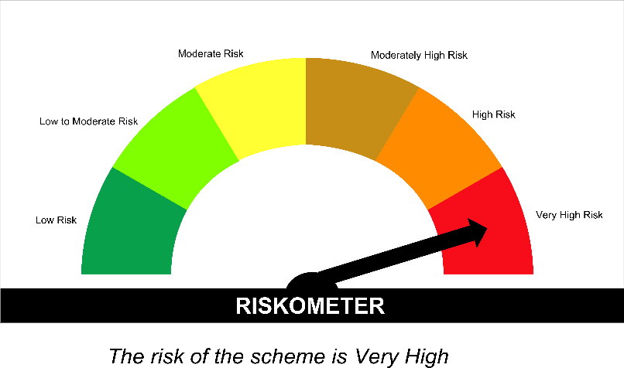

 | Tier I Benchmark Riskometer :
 | NIFTY Infrastructure TRI

SPAHF
...
Annualised Portfolio YTM %* : | 5.57

Macaulay Duration (years) - only for Debt portion (years) | 2.65
Residual Maturity (years) - only for Debt portion (years) | 3.78

As on (Date) | 30-Apr-2026
*** in case of semi annual YTM, it will be annualised

Scheme Riskometer :

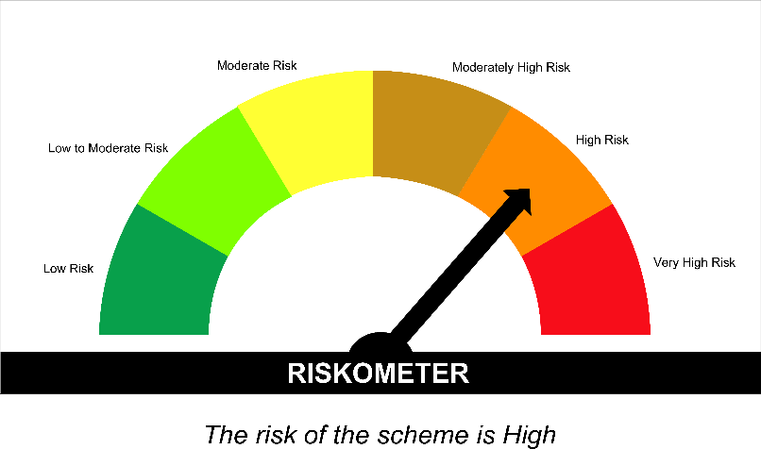

Tier I Benchmark Riskometer :
CRISIL Hybrid 35 Plus 65 - Aggressive Index

