CAPEXG
SUNDARAM MUTUAL FUND |  |  |  |  |  |  |  | Index
Sundaram Infrastructure Advantage Fund
Monthly Portfolio Statement for the month ended 30 November 2025
SL No | ISIN Code | Name of the instrument | Rating / Industry | Quantity | Mkt Value Rs. in Lacs | % of Net Asset | YTM (%)
 |  | A) Equity & Equity Related
 |  | (a) Listed / awaiting listing on Stock Exchange
1 | INE397D01024 | Bharti Airtel Ltd | Telecom - Services | 415000 | 8721.64 | 9.07%
2 | INE018A01030 | Larsen & Toubro Ltd | Construction | 210000 | 8546.16 | 8.89%
3 | INE002A01018 | Reliance Industries Ltd | Petroleum Products | 510000 | 7994.25 | 8.32%
4 | INE733E01010 | NTPC LTD | Power | 1340000 | 4374.43 | 4.55%
5 | INE481G01011 | Ultratech Cement Ltd | Cement & Cement Products | 28000 | 3248.00 | 3.38%
6 | INE263A01024 | Bharat Electronics Ltd | Aerospace & Defense | 675000 | 2779.31 | 2.89%
7 | INE752E01010 | Power Grid Corporation of India Ltd | Power | 800000 | 2159.60 | 2.25%
8 | INE029A01011 | Bharat Petroleum Corporation Ltd | Petroleum Products | 575000 | 2064.83 | 2.15%
9 | INE090A01021 | ICICI Bank Ltd | Banks | 145000 | 2013.76 | 2.10%
10 | INE062A01020 | State Bank of India | Banks | 200000 | 1958.00 | 2.04%
11 | INE284S01014 | S.J.S. Enterprises Ltd | Auto Components | 100000 | 1695.10 | 1.76%
12 | INE200A01026 | GE Vernova T and D India Ltd | Electrical Equipment | 58500 | 1685.62 | 1.75%
13 | INE220B01022 | Kalpataru Projects International Ltd | Construction | 138000 | 1655.59 | 1.72%
14 | INE07Y701011 | Hitachi Energy India Ltd | Electrical Equipment | 7500 | 1654.20 | 1.72%
15 | INE245A01021 | TATA Power Company Ltd | Power | 415000 | 1618.92 | 1.68%
16 | INE371P01015 | Amber Enterprises India Ltd | Consumer Durables | 21500 | 1543.92 | 1.61%
17 | INE742F01042 | Adani Ports and Special Economic Zone Ltd | Transport Infrastructure | 100000 | 1516.90 | 1.58%
18 | INE298A01020 | Cummins India Ltd | Industrial Products | 33000 | 1478.17 | 1.54%
19 | INE646L01027 | Interglobe Aviation Ltd | Transport Services | 25000 | 1475.38 | 1.53%
20 | INE284A01012 | ESAB India Ltd | Industrial Products | 25000 | 1415.03 | 1.47%
21 | INE040H01021 | Suzlon Energy Ltd | Electrical Equipment | 2500000 | 1350.25 | 1.40%
22 | INE213A01029 | Oil & Natural Gas Corporation Ltd | Oil | 550000 | 1337.88 | 1.39%
23 | INE121J01017 | Indus Towers Ltd (Prev Bharti Infratel Ltd) | Telecom - Services | 325000 | 1303.41 | 1.36%
24 | INE878B01027 | KEI Industries Ltd | Industrial Products | 31000 | 1285.14 | 1.34%
25 | INE146L01010 | Kirloskar Oil Engines Ltd | Industrial Products | 112000 | 1259.83 | 1.31%
26 | INE342J01019 | ZF Commercial Vehicle Control Systems I Ltd | Auto Components | 9500 | 1254.38 | 1.31%
27 | INE419M01027 | TD Power Systems Ltd | Electrical Equipment | 160000 | 1243.12 | 1.29%
28 | INE999A01023 | KSB LTD | Industrial Products | 155000 | 1190.17 | 1.24%
29 | INE813H01021 | Torrent Power Ltd | Power | 88000 | 1156.76 | 1.20%
30 | INE823G01014 | JK Cement Ltd | Cement & Cement Products | 20000 | 1151.60 | 1.20%
31 | INE343G01021 | Bharti Hexacom Ltd | Telecom - Services | 65000 | 1149.40 | 1.20%
32 | INE00LO01017 | Craftsman Automation Ltd | Auto Components | 16000 | 1123.92 | 1.17%
33 | INE148O01028 | Delhivery Ltd | Transport Services | 260000 | 1108.12 | 1.15%
34 | INE129A01019 | GAIL (India) Ltd | Gas | 625000 | 1100.56 | 1.15%
35 | INE003A01024 | Siemens Ltd | Electrical Equipment | 33000 | 1088.01 | 1.13%
36 | INE791I01019 | Brigade Enterprises Ltd | Realty | 120000 | 1074.12 | 1.12%
37 | INE671H01015 | Sobha Ltd | Realty | 67000 | 1029.99 | 1.07%
38 | INE513A01022 | Schaeffler India Ltd | Auto Components | 25000 | 974.85 | 1.01%
39 | INE079A01024 | Ambuja Cements Ltd | Cement & Cement Products | 175000 | 962.85 | 1.00%
40 | INE257A01026 | Bharat Heavy Electricals Ltd | Electrical Equipment | 325000 | 945.26 | 0.98%
41 | INE152M01016 | Triveni Turbine Ltd | Electrical Equipment | 171524 | 920.91 | 0.96%
42 | INE437A01024 | Apollo Hospitals Enterprise Ltd | Healthcare Services | 12500 | 916.94 | 0.95%
43 | INE205B01031 | Elecon Engineering Company Ltd | Electrical Equipment | 175000 | 882.79 | 0.92%
44 | INE117A01022 | ABB India Ltd | Electrical Equipment | 16000 | 828.00 | 0.86%
45 | INE811A01020 | Kirlosakar Pneumatic Company Ltd | Industrial Products | 60000 | 652.08 | 0.68%
46 | INE926X01010 | H.G. Infra Engineering Ltd | Construction | 70000 | 605.68 | 0.63%
47 | INE935N01020 | Dixon Technologies (India) Ltd | Consumer Durables | 4000 | 584.04 | 0.61%
48 | INE152A01029 | Thermax Ltd | Electrical Equipment | 20000 | 584.02 | 0.61%
49 | INE111A01025 | Container Corporation of India Ltd | Transport Services | 112500 | 575.16 | 0.60%
50 | INE1NPP01017 | Siemens Energy India Limited | Electrical Equipment | 18000 | 568.73 | 0.59%
51 | INE749A01030 | Jindal Steel & Power Ltd | Ferrous Metals | 50000 | 522.20 | 0.54%
52 | INE868B01028 | NCC Ltd | Construction | 300000 | 514.23 | 0.53%
53 | INE918Z01012 | Kaynes Technology India Ltd | Industrial Manufacturing | 8500 | 466.65 | 0.49%
54 | INE074A01025 | Praj Industries Ltd | Industrial Manufacturing | 115000 | 363.63 | 0.38%
 |  | Sub Total |  |  | 91673.44 | 95.38%

 |  | (b) Overseas Security
 |  | Sub Total |  |  | 0 | 0.00%

 |  | (c) Privately Placed / Unlisted
1 | INE551A01022 | Hindustan Dorr Oliver Ltd @ | Engineering Services | 559425 | 0.00 | #
 |  | Sub Total |  |  | 0 | 0.00%

 |  | (d) Preference / Right Shares
 |  | Sub Total |  |  | 0 | 0.00%

 |  | (e) Warrants
 |  | Sub Total |  |  | 0 | 0.00%

 |  | f) Derivative
 |  | Sub Total |  |  | 0 | 0.00%

 |  | Total for Equity & Equity Related |  |  | 91673.44 | 95.38%

 |  | B) Debt Instruments
 |  | (a) Listed / awaiting listing on Stock Exchange
 |  | Sub Total |  |  | 0 | 0.00%

 |  | (b) Privately Placed / Unlisted
 |  | Sub Total |  |  | 0 | 0.00%

 |  | (c) Govt Security
 |  | Sub Total |  |  | 0 | 0.00%

 |  | (d) Securitized Debt Instruments
 |  | Sub Total |  |  | 0 | 0.00%

 |  | Total for Debt Instruments |  |  | 0.00 | 0.00%

 |  | C) Money Market Instruments
 |  | (a) Certificate of Deposits
...
 | d) IDCW declared during the period (Rupees per unit) |  | Nil

 | e) Total outstanding exposure in derivative instruments at the end of the period |  | Nil
 | f) Total investments in foreign securities /ADR'S/GDR'S at the end of the period |  | Nil
 | g) Repo in corporate debt |  | Nil
 | h) Portfolio Turnover Ratio |  | 30.39%

 | Scheme Riskometer :

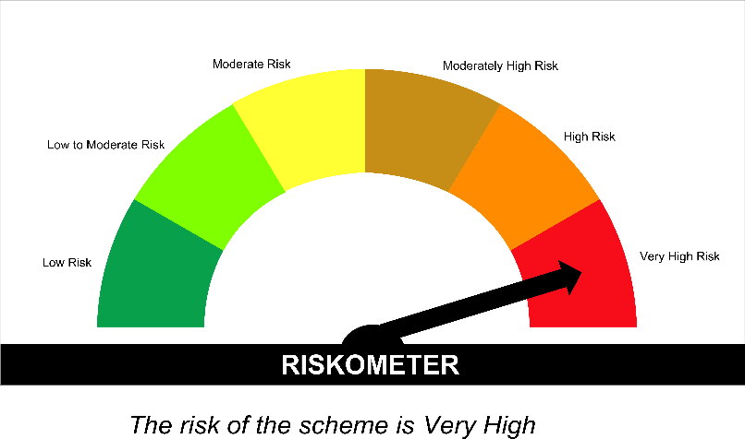

 | Tier I Benchmark Riskometer :
 | NIFTY Infrastructure TRI

SPAHF
...
Annualised Portfolio YTM %* : | 6.43

Macaulay Duration (years) - only for Debt portion (years) | 3.17
Residual Maturity (years) - only for Debt portion (years) | 4.57

As on (Date) | 30-Nov-2025
*** in case of semi annual YTM, it will be annualised

Scheme Riskometer :

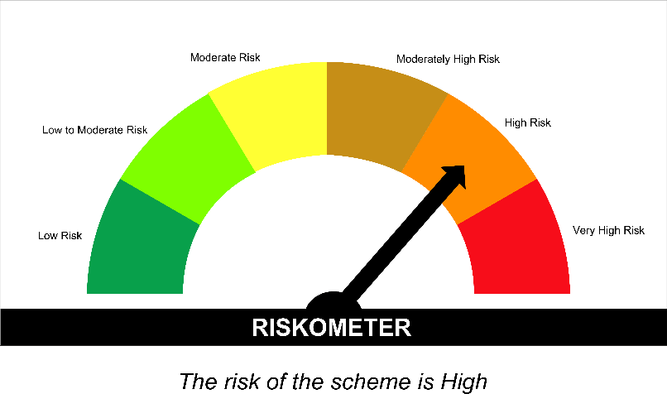

Tier I Benchmark Riskometer :
CRISIL Hybrid 35 Plus 65 - Aggressive Index

SPBAF
...
 | Annualised Portfolio YTM %* : | 6.35

 | Macaulay Duration (years) - only for Debt portion (years) | 3.56
 | Residual Maturity (years) - only for Debt portion (years) | 5.36

 | As on (Date) | 30-Nov-2025
 | *** in case of semi annual YTM, it will be annualised

 | Scheme Riskometer :

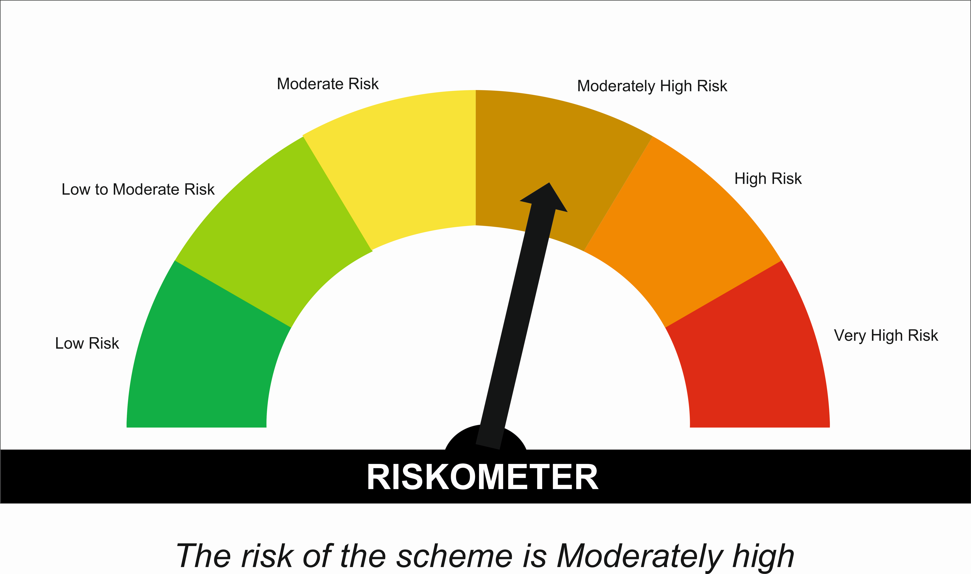

 | Tier I Benchmark Riskometer :
 | NIFTY 50 Hybrid Composite Debt 50 : 50 INDEX

