CAPEXG
SUNDARAM MUTUAL FUND |  |  |  |  |  |  |  | Index
Sundaram Infrastructure Advantage Fund
Monthly Portfolio Statement for the month ended 31 January 2026
SL No | ISIN Code | Name of the instrument | Rating / Industry | Quantity | Mkt Value Rs. in Lacs | % of Net Asset | YTM (%)
 |  | A) Equity & Equity Related
 |  | (a) Listed / awaiting listing on Stock Exchange
1 | INE018A01030 | Larsen & Toubro Ltd | Construction | 210000 | 8257.83 | 9.01%
2 | INE397D01024 | Bharti Airtel Ltd | Telecom - Services | 415000 | 8170.11 | 8.91%
3 | INE002A01018 | Reliance Industries Ltd | Petroleum Products | 510000 | 7116.54 | 7.76%
4 | INE733E01010 | NTPC LTD | Power | 1340000 | 4770.40 | 5.20%
5 | INE481G01011 | Ultratech Cement Ltd | Cement & Cement Products | 28000 | 3554.32 | 3.88%
6 | INE263A01024 | Bharat Electronics Ltd | Aerospace & Defense | 675000 | 3030.75 | 3.31%
7 | INE062A01020 | State Bank of India | Banks | 200000 | 2154.30 | 2.35%
8 | INE029A01011 | Bharat Petroleum Corporation Ltd | Petroleum Products | 575000 | 2095.88 | 2.29%
9 | INE752E01010 | Power Grid Corporation of India Ltd | Power | 800000 | 2052.00 | 2.24%
10 | INE090A01021 | ICICI Bank Ltd | Banks | 145000 | 1964.75 | 2.14%
11 | INE284S01014 | S.J.S. Enterprises Ltd | Auto Components | 100000 | 1668.30 | 1.82%
12 | INE200A01026 | GE Vernova T and D India Ltd | Electrical Equipment | 51000 | 1647.45 | 1.80%
13 | INE220B01022 | Kalpataru Projects International Ltd | Construction | 138000 | 1578.72 | 1.72%
14 | INE245A01021 | TATA Power Company Ltd | Power | 415000 | 1520.15 | 1.66%
15 | INE213A01029 | Oil & Natural Gas Corporation Ltd | Oil | 550000 | 1479.28 | 1.61%
16 | INE121J01017 | Indus Towers Ltd (Prev Bharti Infratel Ltd) | Telecom - Services | 325000 | 1443.98 | 1.58%
17 | INE342J01019 | ZF Commercial Vehicle Control Systems I Ltd | Auto Components | 9500 | 1423.96 | 1.55%
18 | INE742F01042 | Adani Ports and Special Economic Zone Ltd | Transport Infrastructure | 100000 | 1419.80 | 1.55%
19 | INE284A01012 | ESAB India Ltd | Industrial Products | 25000 | 1393.13 | 1.52%
20 | INE298A01020 | Cummins India Ltd | Industrial Products | 33000 | 1357.13 | 1.48%
21 | INE07Y701011 | Hitachi Energy India Ltd | Electrical Equipment | 7000 | 1320.34 | 1.44%
22 | INE146L01010 | Kirloskar Oil Engines Ltd | Industrial Products | 112000 | 1314.88 | 1.43%
23 | INE878B01027 | KEI Industries Ltd | Industrial Products | 31000 | 1246.54 | 1.36%
24 | INE371P01015 | Amber Enterprises India Ltd | Consumer Durables | 21500 | 1228.94 | 1.34%
25 | INE813H01021 | Torrent Power Ltd | Power | 88000 | 1221.09 | 1.33%
26 | INE040H01021 | Suzlon Energy Ltd | Electrical Equipment | 2500000 | 1191.75 | 1.30%
27 | INE00LO01017 | Craftsman Automation Ltd | Auto Components | 16000 | 1170.72 | 1.28%
28 | INE419M01027 | TD Power Systems Ltd | Electrical Equipment | 160000 | 1167.20 | 1.27%
29 | INE646L01027 | Interglobe Aviation Ltd | Transport Services | 25000 | 1149.13 | 1.25%
30 | INE823G01014 | JK Cement Ltd | Cement & Cement Products | 20000 | 1104.70 | 1.21%
31 | INE148O01028 | Delhivery Ltd | Transport Services | 260000 | 1099.67 | 1.20%
32 | INE999A01023 | KSB LTD | Industrial Products | 155000 | 1097.71 | 1.20%
33 | INE129A01019 | GAIL (India) Ltd | Gas | 625000 | 1045.56 | 1.14%
34 | INE003A01024 | Siemens Ltd | Electrical Equipment | 33000 | 1023.43 | 1.12%
35 | INE343G01021 | Bharti Hexacom Ltd | Telecom - Services | 65000 | 1004.12 | 1.10%
36 | INE671H01015 | Sobha Ltd | Realty | 67000 | 971.63 | 1.06%
37 | INE513A01022 | Schaeffler India Ltd | Auto Components | 25000 | 905.53 | 0.99%
38 | INE791I01019 | Brigade Enterprises Ltd | Realty | 120000 | 902.70 | 0.98%
39 | INE079A01024 | Ambuja Cements Ltd | Cement & Cement Products | 175000 | 892.76 | 0.97%
40 | INE117A01022 | ABB India Ltd | Electrical Equipment | 16000 | 892.56 | 0.97%
41 | INE437A01024 | Apollo Hospitals Enterprise Ltd | Healthcare Services | 12500 | 870.06 | 0.95%
42 | INE152M01016 | Triveni Turbine Ltd | Electrical Equipment | 171524 | 861.82 | 0.94%
43 | INE257A01026 | Bharat Heavy Electricals Ltd | Electrical Equipment | 325000 | 853.78 | 0.93%
44 | INE205B01031 | Elecon Engineering Company Ltd | Electrical Equipment | 175000 | 714.18 | 0.78%
45 | INE811A01020 | Kirlosakar Pneumatic Company Ltd | Industrial Products | 60000 | 684.60 | 0.75%
46 | INE152A01029 | Thermax Ltd | Electrical Equipment | 20000 | 575.60 | 0.63%
47 | INE749A01030 | Jindal Steel & Power Ltd | Ferrous Metals | 50000 | 566.00 | 0.62%
48 | INE111A01025 | Container Corporation of India Ltd | Transport Services | 112500 | 565.03 | 0.62%
49 | INE926X01010 | H.G. Infra Engineering Ltd | Construction | 70000 | 449.23 | 0.49%
50 | INE1NPP01017 | Siemens Energy India Limited | Electrical Equipment | 18000 | 447.70 | 0.49%
51 | INE868B01028 | NCC Ltd | Construction | 300000 | 439.29 | 0.48%
52 | INE935N01020 | Dixon Technologies (India) Ltd | Consumer Durables | 4000 | 417.84 | 0.46%
53 | INE074A01025 | Praj Industries Ltd | Industrial Manufacturing | 65000 | 188.60 | 0.21%
 |  | Sub Total |  |  | 87683.42 | 95.66%

 |  | (b) Overseas Security
 |  | Sub Total |  |  | 0 | 0.00%

 |  | (c) Privately Placed / Unlisted
1 | INE551A01022 | Hindustan Dorr Oliver Ltd @ | Engineering Services | 559425 | 0.00 | #
 |  | Sub Total |  |  | 0 | 0.00%

 |  | (d) Preference / Right Shares
 |  | Sub Total |  |  | 0 | 0.00%

 |  | (e) Warrants
 |  | Sub Total |  |  | 0 | 0.00%

 |  | f) Derivative
 |  | Sub Total |  |  | 0 | 0.00%

 |  | Total for Equity & Equity Related |  |  | 87683.42 | 95.66%

 |  | B) Debt Instruments
 |  | (a) Listed / awaiting listing on Stock Exchange
 |  | Sub Total |  |  | 0 | 0.00%

 |  | (b) Privately Placed / Unlisted
 |  | Sub Total |  |  | 0 | 0.00%

 |  | (c) Govt Security
 |  | Sub Total |  |  | 0 | 0.00%

 |  | (d) Securitized Debt Instruments
 |  | Sub Total |  |  | 0 | 0.00%

 |  | Total for Debt Instruments |  |  | 0.00 | 0.00%

 |  | C) Money Market Instruments
 |  | (a) Certificate of Deposits
 |  | Sub Total |  |  | 0 | 0.00%

 |  | (b) Commercial Papers
 |  | Sub Total |  |  | 0 | 0.00%

 |  | (c) Treasury Bills
 |  | Sub Total |  |  | 0 | 0.00%
...
 | d) IDCW declared during the period (Rupees per unit) |  | Nil

 | e) Total outstanding exposure in derivative instruments at the end of the period |  | Nil
 | f) Total investments in foreign securities /ADR'S/GDR'S at the end of the period |  | Nil
 | g) Repo in corporate debt |  | Nil
 | h) Portfolio Turnover Ratio |  | 18.44%

 | Scheme Riskometer :

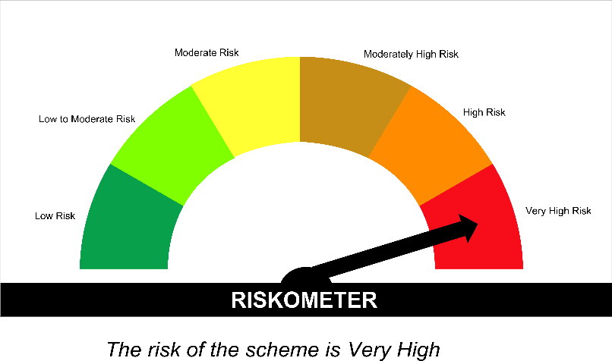

 | Tier I Benchmark Riskometer :
 | NIFTY Infrastructure TRI

SPAHF
...
Annualised Portfolio YTM %* : | 6.56

Macaulay Duration (years) - only for Debt portion (years) | 3.12
Residual Maturity (years) - only for Debt portion (years) | 4.42

As on (Date) | 31-Jan-2026
*** in case of semi annual YTM, it will be annualised

Scheme Riskometer :

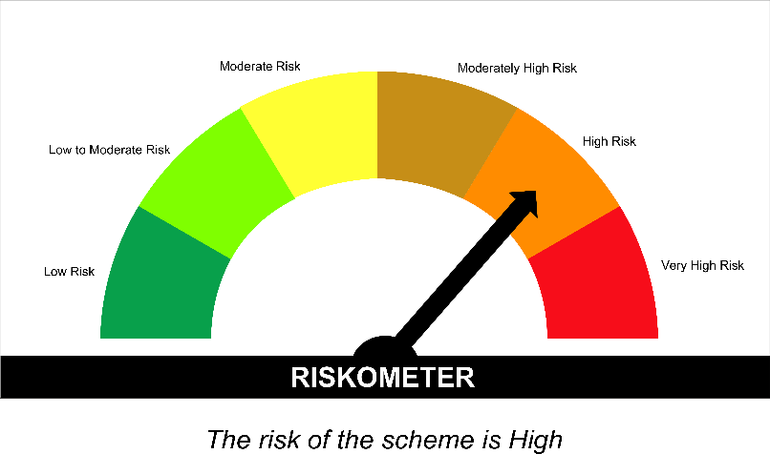

Tier I Benchmark Riskometer :
CRISIL Hybrid 35 Plus 65 - Aggressive Index

SPBAF
...
 | Annualised Portfolio YTM %* : | 6.62

 | Macaulay Duration (years) - only for Debt portion (years) | 3.77
 | Residual Maturity (years) - only for Debt portion (years) | 5.65

 | As on (Date) | 31-Jan-2026
 | *** in case of semi annual YTM, it will be annualised

 | Scheme Riskometer :

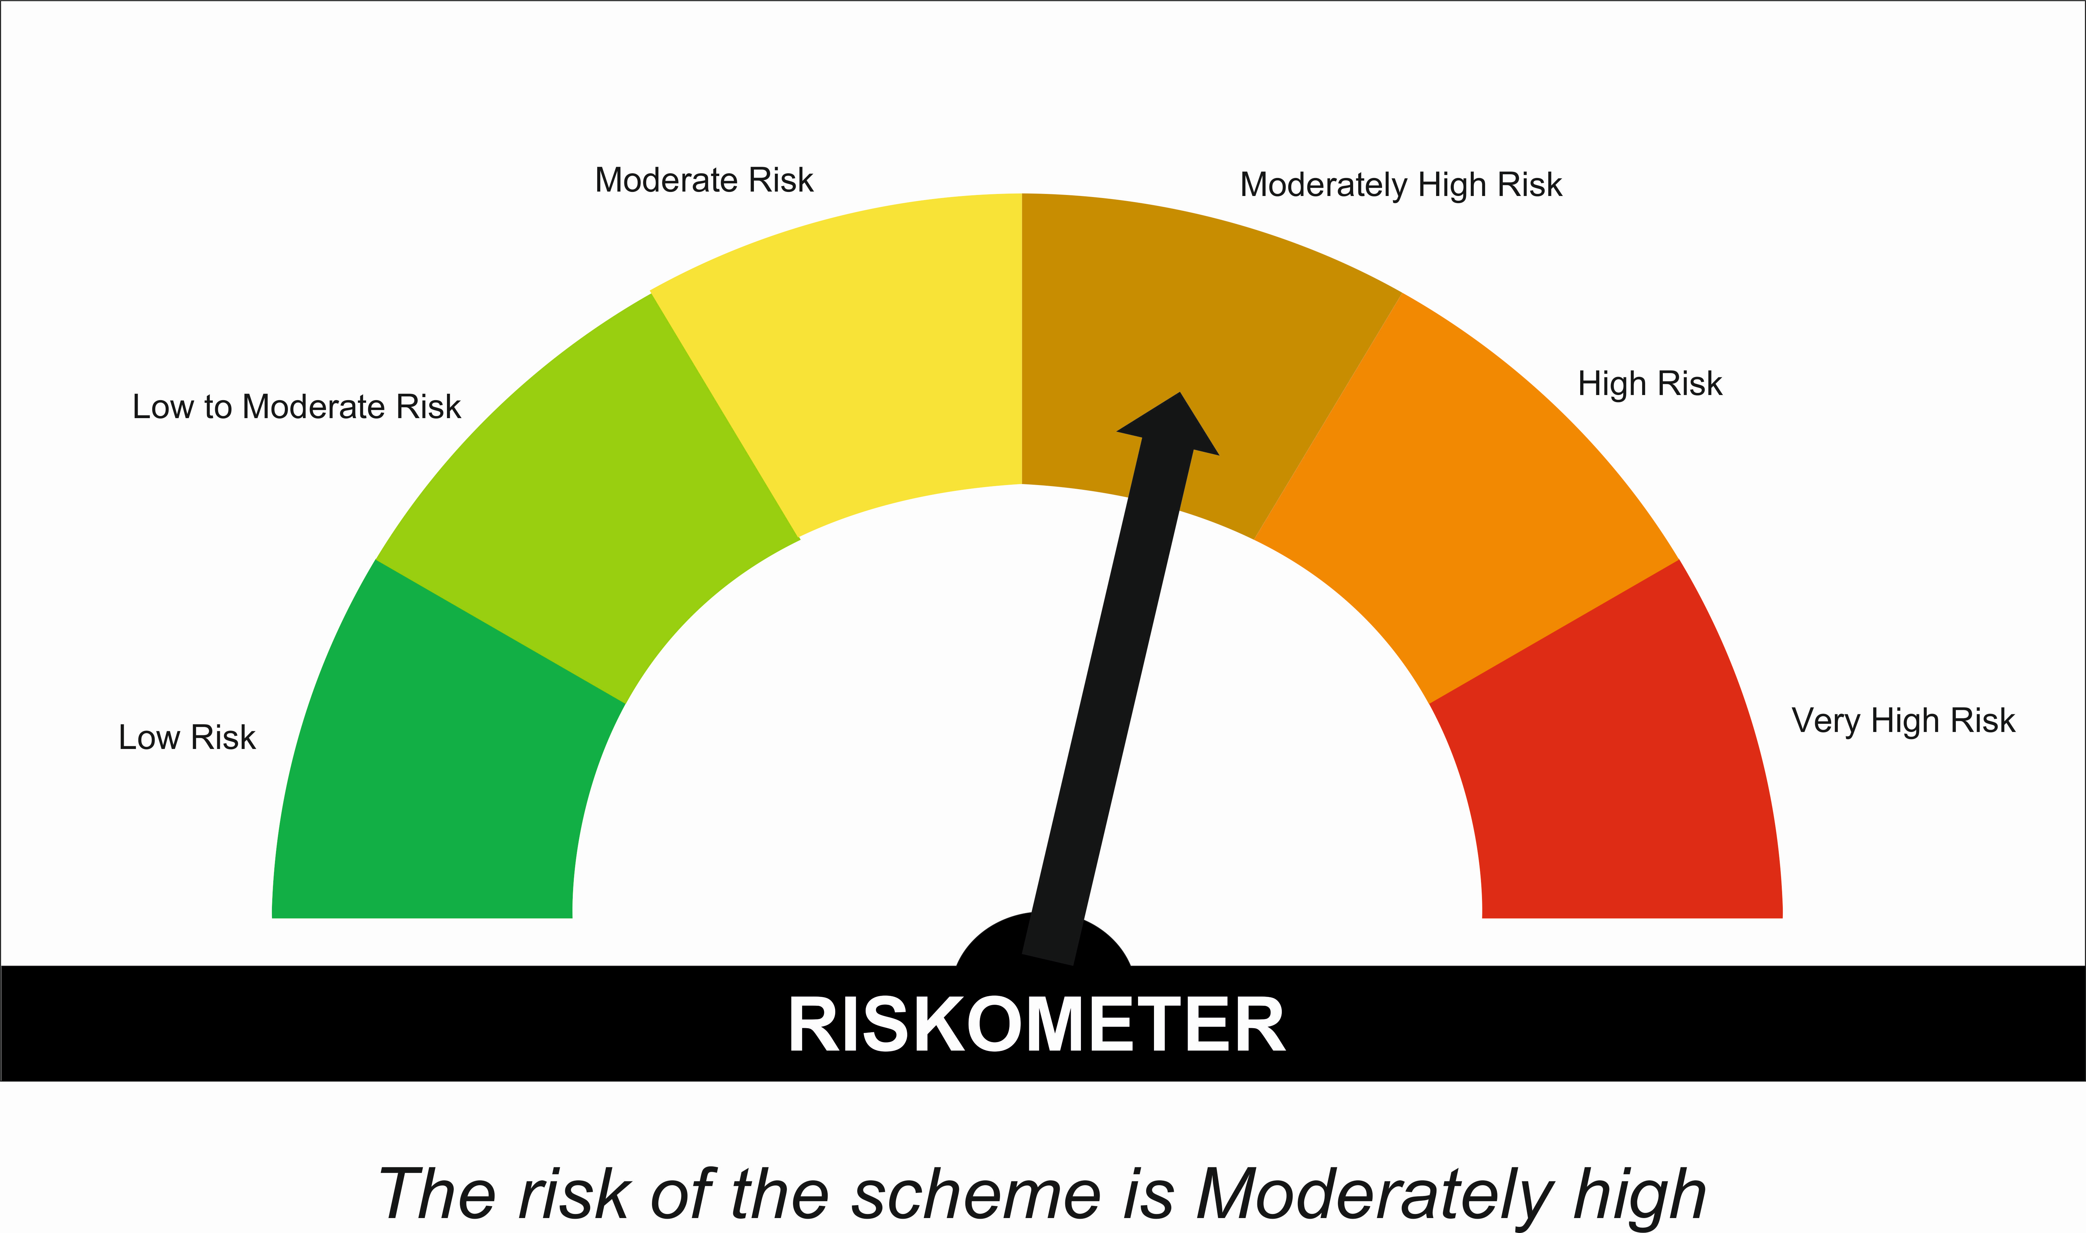

 | Tier I Benchmark Riskometer :
 | NIFTY 50 Hybrid Composite Debt 50 : 50 INDEX

