SUNMIA
SUNDARAM MUTUAL FUND |  |  |  |  |  |  |  | Index
Sundaram Conservative Hybrid Fund
Monthly Portfolio Statement for the month ended 28 February 2026
SL No | ISIN Code | Name of the instrument | Rating / Industry | Quantity | Mkt Value Rs. in Lacs | % of Net Asset | YTM (%)*
 |  | A) Equity & Equity Related
 |  | (a) Listed / awaiting listing on Stock Exchange
1 | INE397D01024 | Bharti Airtel Ltd | Telecom - Services | 2400 | 45.10 | 2.30%
2 | INE040A01034 | HDFC Bank Ltd | Banks | 5000 | 44.39 | 2.26%
3 | INE002A01018 | Reliance Industries Ltd | Petroleum Products | 3000 | 41.82 | 2.13%
4 | INE062A01020 | State Bank of India | Banks | 2400 | 28.84 | 1.47%
5 | INE009A01021 | Infosys Ltd | It - Software | 1707 | 22.19 | 1.13%
6 | INE090A01021 | ICICI Bank Ltd | Banks | 1600 | 22.06 | 1.12%
7 | INE860A01027 | HCL Technologies Ltd | It - Software | 1400 | 19.45 | 0.99%
8 | INE238A01034 | Axis Bank Ltd | Banks | 1200 | 16.61 | 0.85%
9 | INE917I01010 | Bajaj Auto Ltd | Automobiles | 160 | 15.96 | 0.81%
10 | INE481G01011 | Ultratech Cement Ltd | Cement & Cement Products | 125 | 15.85 | 0.81%
11 | INE540L01014 | Alkem Laboratories Ltd | Pharmaceuticals & Biotechnology | 250 | 14.10 | 0.72%
12 | INE237A01036 | Kotak Mahindra Bank Ltd | Banks | 3375 | 14.01 | 0.71%
13 | INE669C01036 | Tech Mahindra Ltd | It - Software | 1000 | 13.58 | 0.69%
14 | INE101A01026 | Mahindra & Mahindra Ltd | Automobiles | 350 | 11.89 | 0.61%
15 | INE018A01030 | Larsen & Toubro Ltd | Construction | 250 | 10.70 | 0.54%
16 | INE797F01020 | Jubilant Foodworks Ltd | Leisure Services | 2000 | 10.40 | 0.53%
17 | INE1TAE01010 | TATA Motors Ltd | Agricultural, Commercial & Construction Vehicles | 2000 | 10.11 | 0.51%
18 | INE603J01030 | PI Industries Ltd | Fertilizers & Agrochemicals | 320 | 9.98 | 0.51%
19 | INE066F01020 | Hindustan Aeronautics Ltd | Aerospace & Defense | 250 | 9.78 | 0.50%
20 | INE196A01026 | Marico Ltd | Agricultural Food & Other Products | 1100 | 8.68 | 0.44%
21 | INE298A01020 | Cummins India Ltd | Industrial Products | 150 | 7.35 | 0.37%
22 | INE326A01037 | Lupin Ltd | Pharmaceuticals & Biotechnology | 200 | 4.60 | 0.23%
 |  | Sub Total |  |  | 397.43 | 20.22%

 |  | (b) Overseas Security
 |  | Sub Total |  |  | 0 | 0.00%

 |  | (c) Privately Placed / Unlisted
 |  | Sub Total |  |  | 0 | 0.00%

 |  | (d) Preference / Right Shares
 |  | Sub Total |  |  | 0 | 0.00%

 |  | (e) Warrants
 |  | Sub Total |  |  | 0 | 0.00%

 |  | f) Derivative
 |  | Sub Total |  |  | 0 | 0.00%

 |  | Total for Equity & Equity Related |  |  | 397.43 | 20.22%

 |  | B) Debt Instruments
 |  | (a) Listed / awaiting listing on Stock Exchange
 |  | Sub Total |  |  | 0 | 0.00%

 |  | (b) Privately Placed / Unlisted
 |  | Sub Total |  |  | 0 | 0.00%

 |  | (c) Govt Security
1 | IN0020250141 | 6.36% Central Government Securities 16/02/2031 | Sovereign | 500000 | 501.49 | 25.52% | 6.39
2 | IN0020250075 | 7.24% Central Government Securities 18/08/2055 | Sovereign | 500000 | 493.88 | 25.13% | 7.48
 |  | Sub Total |  |  | 995.38 | 50.65%

 |  | (d) Securitized Debt Instruments
 |  | Sub Total |  |  | 0 | 0.00%

 |  | Total for Debt Instruments |  |  | 995.38 | 50.65%

 |  | C) Money Market Instruments
 |  | (a) Certificate of Deposits
 |  | Sub Total |  |  | 0 | 0.00%

 |  | (b) Commercial Papers
 |  | Sub Total |  |  | 0 | 0.00%

 |  | (c) Treasury Bills
 |  | Sub Total |  |  | 0 | 0.00%

 |  | (d) ReverseRepo / TREPS
1 |  | TREPS |  |  | 543.72 | 27.67% | 4.92
 |  | Sub Total |  |  | 543.72 | 27.67%

 |  | Total for Money Market Instruments |  |  | 543.72 | 27.67%

 |  | D) Mutual Fund Units
 |  | (a) Investment in Mutual Fund Units
 |  | Sub Total |  |  | 0 | 0.00%

 |  | (b) Corporate Debt Market Development Fund
1 | INF0RQ622028 | Corporate Debt Market Development Fund - Class A2 |  | 76.7960 | 8.96 | 0.46%
 |  | Sub Total |  |  | 8.96 | 0.46%

 |  | E) Others
 |  | (a) Deposits with Commercial Banks
 |  | Sub Total |  |  | 0 | 0.00%

 |  | (b) Share Application Money pending Allotment
 |  | Sub Total |  |  | 0 | 0.00%

 |  | Cash and Other Net Current Assets^ |  |  | 19.69 | 1.00%
 |  | Grand Total |  |  | 1965.17 | 100.00 %

 | **Non Traded Securities - Wherever applicable
 | ^ Net current assets includes interest accrued on fixed income securities - Wherever applicable
 | # percentage to NAV of security is less than 0.01% - Wherever applicable

 | Notes
 | a) Total securities classified as below investment grade or default provided for and its percentage to NAV |  | Refer below point h)
 | b) Total value and percentage of illiquid equity shares |  | Nil
 | c) NAV per unit (Rupees per unit)
 |  | At the beginning | At the end
 | Option | 31-Jan-2026 | 28-Feb-2026
 | Direct Plan - Growth | 32.9912 | 32.9405
 | Direct Plan - IDCW | 20.7281 | 20.6962
 | Regular Plan - Growth | 29.7812 | 29.7283
 | Regular Plan - IDCW | 18.5977 | 18.5647

 | d) IDCW declared during the period (Rupees per unit) |  | Nil

 | e) Total outstanding exposure in derivative instruments at the end of the period |  | Nil
 | f) Total investments in foreign securities /ADR'S/GDR'S at the end of the period |  | Nil
 | g) Repo in corporate debt |  | Nil

 | Portfolio Information
 | Scheme Name : |  | Sundaram Conservative Hybrid Fund
 | Description (if any)

 | Annualised Portfolio YTM %* : |  | 6.21

 | Macaulay Duration - only for Debt portion (years) |  | 5.34
 | Average Maturity - only for Debt portion (years) |  | 10.97

 | As on (Date) |  | 28-Feb-2026
 | * in case of semi annual YTM, it will be annualised

 | h) Exposure to securities classified as below investment grade or default as on 28-Feb-2026:-
 | ISIN | NAME OF THE SECURITY | VALUE OF THE SECURITY CONSIDERED UNDER NET RECEIVABLES |  |  | % TO AUM
 | INE202B07654 | 11.55% Prev 11.45%-Dewan Housing Finance Corp Ltd-12/09/2019 | - |  |  | -

 | TOTAL AMOUNT INCLUDING INTEREST DUE TO AND RECOVERED BY THE SCHEME
 | ISIN | NAME OF THE SECURITY | TOTAL AMOUNT DUE |  |  |  | Amount Recovered (Rs. In Lacs) 30th Sep 2021 | Further amount received on 31/08/2024 (Rs. In Lacs) | Total settlement till date ( Rs . In Lacs )
 |  |  | PRINCIPAL (Rs. in Lacs) | Interest Accrued till 3rd June 2019 (Rs. in Lacs) | Interest not accrued due to category by rating agency as default till maturity (Rs. in Lacs) | Total (Rs. in Lacs)
 | INE202B07654 | 11.55%_Prev 11.45%-Dewan Housing Finance Corp Ltd-12/09/2019 | 500.00 | 9.94 | 16.01 | 525.95 | 233.41 | 4.01 | 237.42
...
 | https://www.sundarammutual.com/pdf2/2021/Rationale_for_Valuation/Update_on_DHFL_Recovery_30_sep_2021.pdf

 | https://www.sundarammutual.com/pdf2/2024/Rationale_for_Valuation/Update_on_DHFL_Recovery_31_Aug_2024_V1.pdf

 | https://www.sundarammutual.com/pdf2/2025/Rationale_for_Valuation/Update_on_Valuation_of_RoadStar_InVIT_Units_V1.pdf

 | https://www.sundarammutual.com/pdf2/2025/Rationale_for_Valuation/Update_on_Valuation_of_RoadStar_InVIT_Units_22_Sep_2025.pdf
 | Scheme Riskometer :

 | 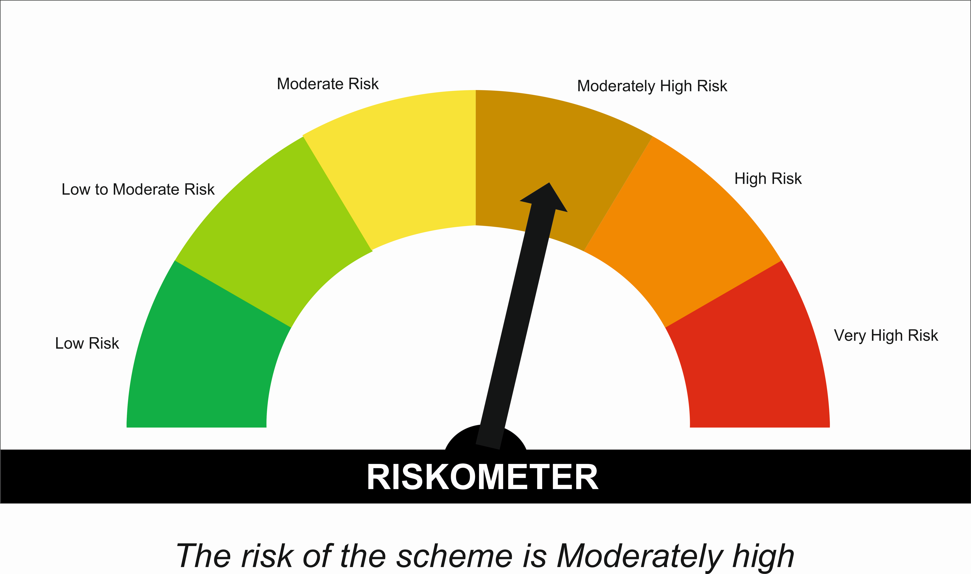

 | Tier I Benchmark Riskometer :
 | CRISIL Hybrid 85 Plus 15 - Conservative Index
 | 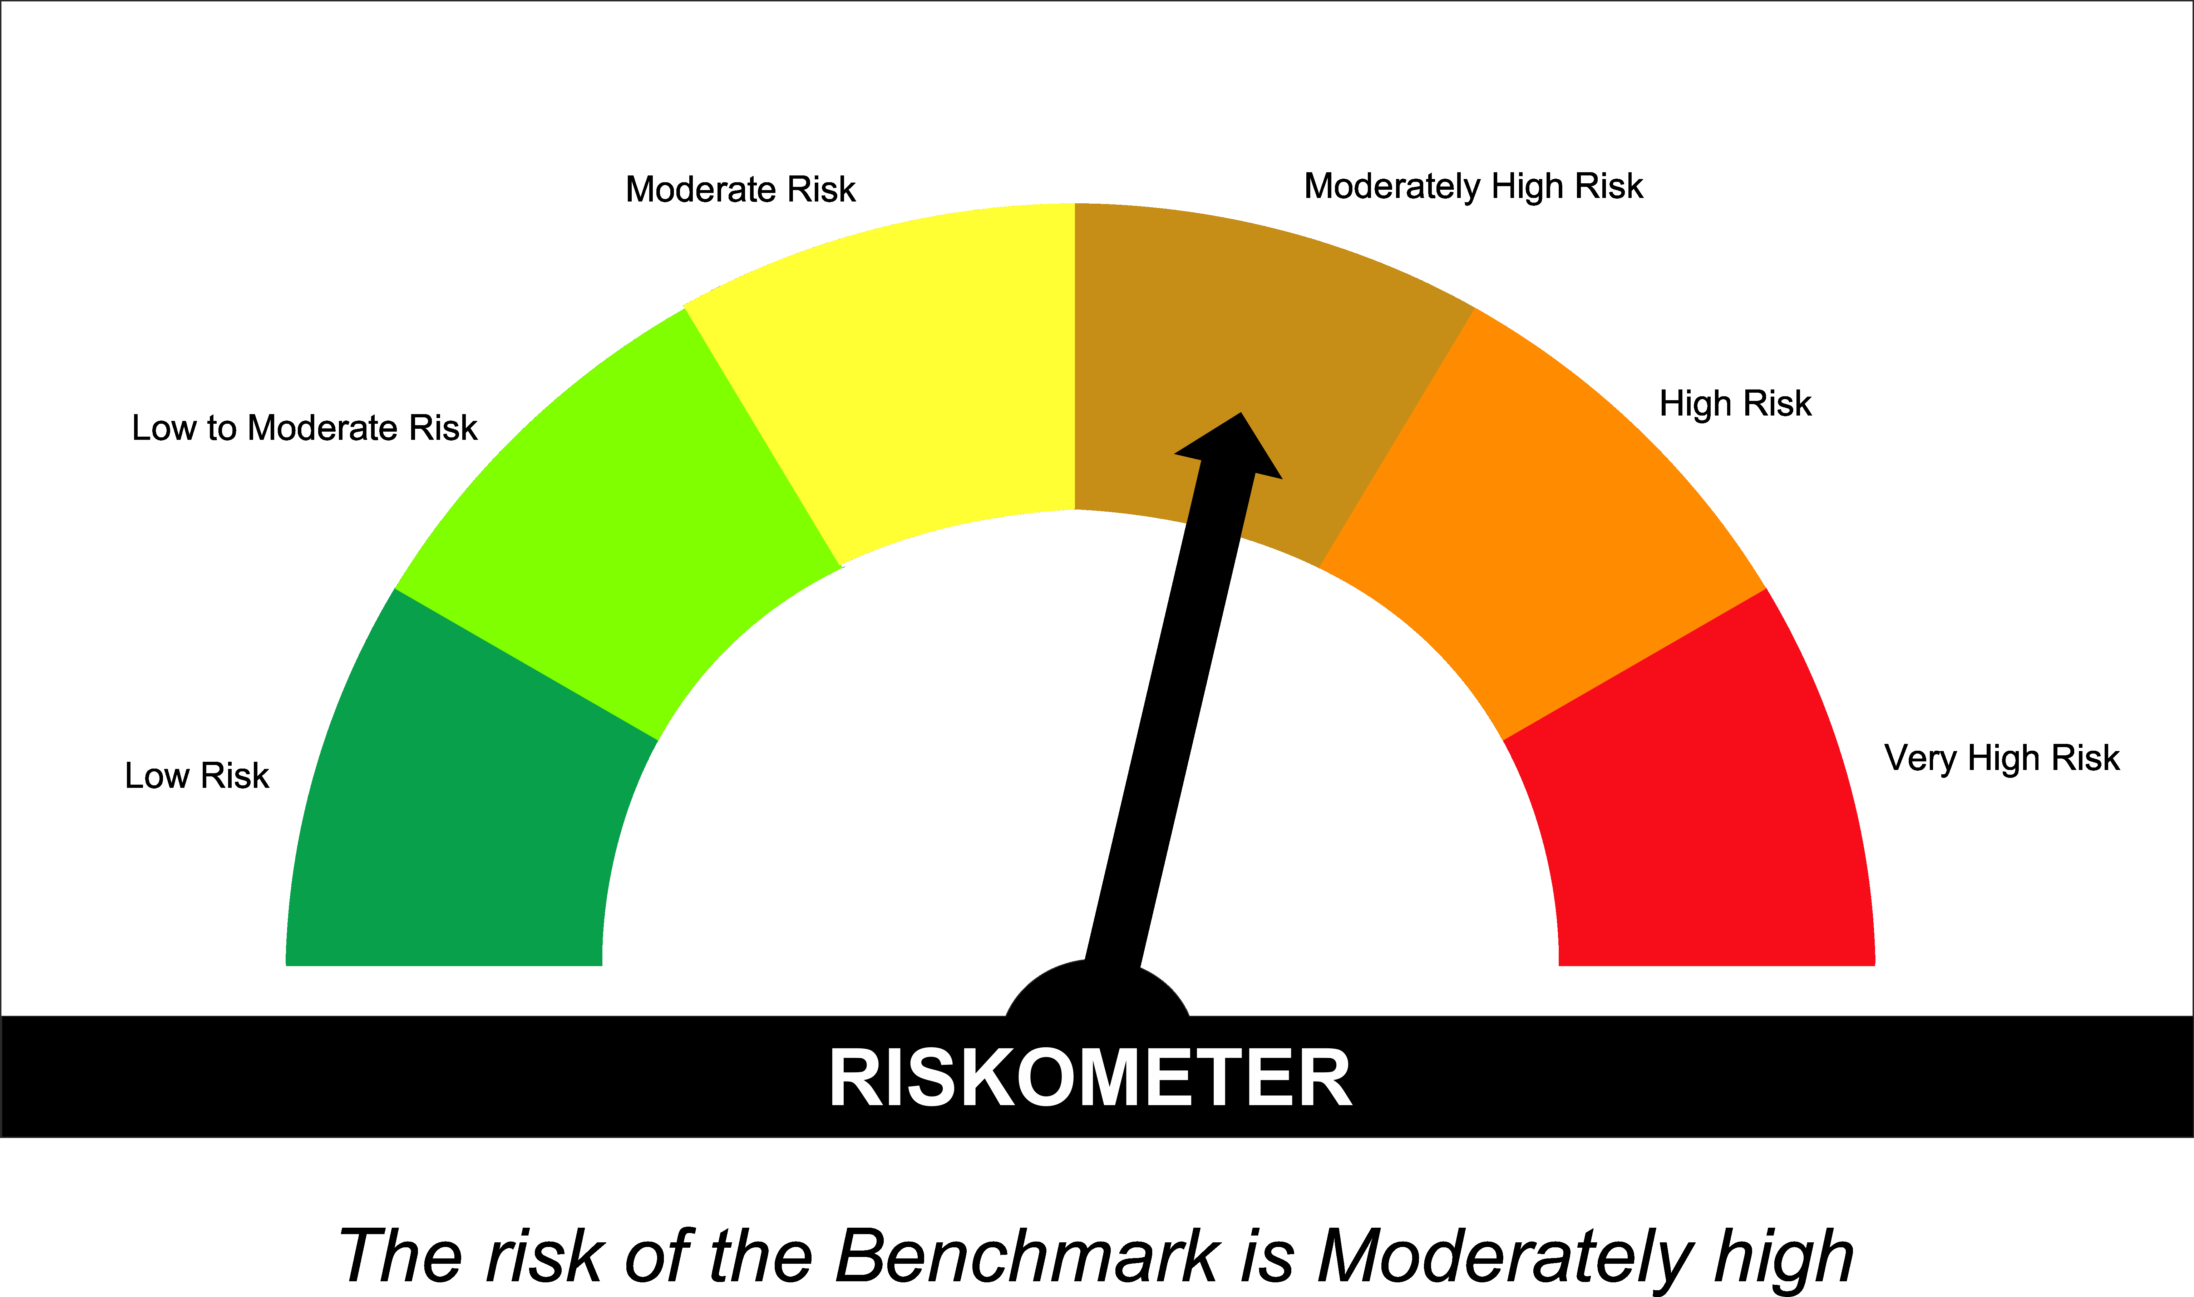

SUNONF
...
Annualised Portfolio YTM %* : | 4.92

Macaulay Duration (Days) | 2
Average Maturity (Days) | 2

As on (Date) | 28-Feb-2026
* in case of semi annual YTM, it will be annualised

Scheme Riskometer :

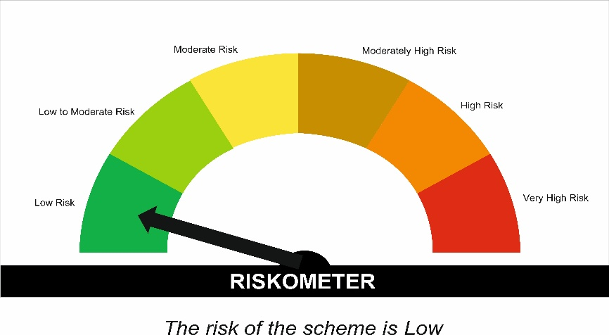

Tier I Benchmark Riskometer :
NIFTY 1D Rate Index

