SFRLTP
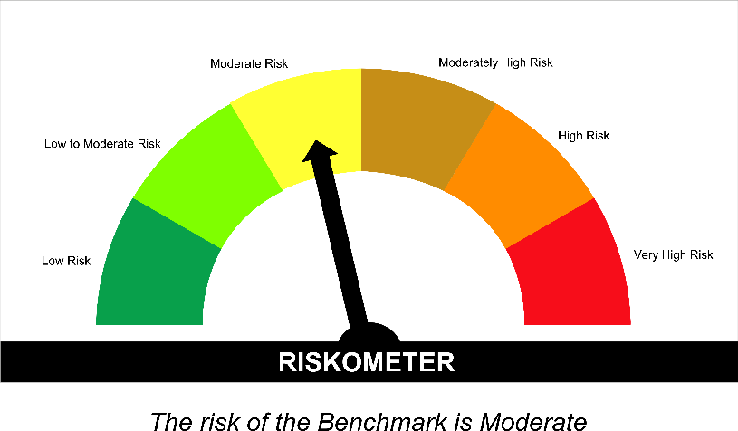
SUNDARAM MUTUAL FUND |  |  |  |  |  |  |  |  | Index
Sundaram Corporate Bond Fund
Monthly Portfolio Statement for the month ended 31 July 2026
SL No | ISIN Code | Name of the instrument | Rating / Industry | Quantity | Mkt Value Rs. in Lacs | % of Net Asset | YTM (%) | Yield to call date %
 |  | A) Equity & Equity Related
 |  | (a) Listed / awaiting listing on Stock Exchange
 |  | Sub Total |  |  | 0 | 0.00%

 |  | (b) Overseas Security
 |  | Sub Total |  |  | 0 | 0.00%

 |  | (c) Privately Placed / Unlisted
 |  | Sub Total |  |  | 0 | 0.00%

 |  | (d) Preference / Right Shares
 |  | Sub Total |  |  | 0 | 0.00%

 |  | (e) Warrants
 |  | Sub Total |  |  | 0 | 0.00%

 |  | f) Derivative
 |  | Sub Total |  |  | 0 | 0.00%

 |  | Total for Equity & Equity Related |  |  | 0.00 | 0.00%

 |  | B) Debt Instruments
 |  | (a) Listed / awaiting listing on Stock Exchange
1 | INE053F08411 | Indian Railway Finance Corporation Ltd - 7.37% - 31/07/2029** | ICRA AAA | 4000 | 4017.36 | 6.48% | 7.20
2 | INE115A07QJ2 | LIC Housing Finance Ltd - 7.7% - 16/05/2028** | CRISIL AAA | 300 | 3006.38 | 4.85% | 7.54
3 | INE261F08EP4 | National Bank for Agriculture & Rural Development - 6.66% - 12/10/2028 | ICRA AAA | 3000 | 2953.56 | 4.77% | 7.43
4 | INE556F08KL3 | Small Industries Development Bank of India - 7.83% - 24/11/2028 | CRISIL AAA | 2500 | 2521.14 | 4.07% | 7.39
5 | INE020B08EK4 | REC LTD - 7.46% - 30/06/2028** | ICRA AAA | 2500 | 2506.39 | 4.04% | 7.30
6 | INE261F08EO7 | National Bank for Agriculture & Rural Development - 7.48% - 15/09/2028 | CRISIL AAA | 2500 | 2501.65 | 4.04% | 7.43
7 | INE115A07QY1 | LIC Housing Finance Ltd - 7.57% - 18/10/2029** | CRISIL AAA | 2500 | 2498.83 | 4.03% | 7.57
8 | INE041007167 | Embassy Office Parks REIT - 7.21% - 17/03/2028** | CRISIL AAA | 2500 | 2486.05 | 4.01% | 7.79
9 | INE020B08FX4 | REC LTD - 6.37% - 31/03/2027** | ICRA AAA | 2500 | 2485.23 | 4.01% | 7.15
10 | INE916DA7TD8 | Kotak Mahindra Prime Ltd - 7.299% - 22/09/2028** | CRISIL AAA | 2500 | 2477.39 | 4.00% | 7.76
11 | INE134E08MX3 | Power Finance Corporation Ltd - 7.6% - 13/04/2029** | ICRA AAA | 2000 | 2013.67 | 3.25% | 7.30
12 | INE756I07FB6 | HDB Financial Services Ltd - 7.9611% - 05/01/2028 | CRISIL AAA | 2000 | 2004.06 | 3.23% | 7.75
13 | INE296A07SV1 | Bajaj Finance Ltd - 7.82% - 31/01/2034** | CRISIL AAA | 2000 | 1993.64 | 3.22% | 7.87
14 | INE296A07TJ4 | Bajaj Finance Ltd - 7.3763% - 26/06/2028** | CRISIL AAA | 2000 | 1986.76 | 3.21% | 7.75
15 | INE514E08GE8 | Export Import Bank of India - 7.35% - 27/07/2028** | ICRA AAA | 1500 | 1506.34 | 2.43% | 7.11
16 | INE062A08488 | State Bank of India - 6.93% - 20/10/2035**- Call Dt : 19-Oct-30 | ICRA AAA | 15 | 1498.92 | 2.42% | 6.93 | 7.00
17 | INE403D08298 | Bharti Telecom Ltd - 7.4% - 01/02/2029** | CRISIL AAA | 1500 | 1475.46 | 2.38% | 8.12
18 | INE756I07FG5 | HDB Financial Services Ltd - 7.4091% - 05/06/2028** | CRISIL AAA | 1400 | 1391.17 | 2.25% | 7.77
19 | INE134E08NS1 | Power Finance Corporation Ltd - 6.61% - 15/07/2028** | ICRA AAA | 1300 | 1283.78 | 2.07% | 7.31
20 | INE242A08544 | Indian Oil Corporation Ltd - 7.44% - 25/11/2027** | ICRA AAA | 100 | 1004.51 | 1.62% | 7.03
21 | INE556F08KR0 | Small Industries Development Bank of India - 7.47% - 05/09/2029** | CRISIL AAA | 1000 | 1001.51 | 1.62% | 7.41
22 | INE556F08KP4 | Small Industries Development Bank of India - 7.68% - 10/08/2027 | CRISIL AAA | 550 | 551.19 | 0.89% | 7.45
23 | INE053F08387 | Indian Railway Finance Corporation Ltd - 7.46% - 18/06/2029** | CRISIL AAA | 500 | 503.68 | 0.81% | 7.17
24 | INE0KUG08142 | National Bank for Financing Infrastructure and Development - 7.37% - 16/07/2029** | CRISIL AAA | 500 | 498.83 | 0.81% | 7.46
25 | INE020B08FW6 | REC LTD - 6.52% - 31/01/2028** | ICRA AAA | 500 | 494.38 | 0.80% | 7.30
 |  | Sub Total |  |  | 46661.86 | 75.30%

 |  | (b) Privately Placed / Unlisted
 |  | Sub Total |  |  | 0 | 0.00%

 |  | (c) Govt Security
1 | IN0020260025 | 6.94% Central Government Securities 11/05/2036 | Sovereign | 2500000 | 2519.24 | 4.07% | 6.95
2 | IN0020250141 | 6.36% Central Government Securities 16/02/2031 | Sovereign | 1972800 | 1966.03 | 3.17% | 6.55
3 | IN1920230100 | 7.72% Karnataka State Government Securities - 06/12/2035 | Sovereign | 1000000 | 1023.71 | 1.65% | 7.50
4 | IN0020250018 | 6.90% Central Government Securities 15/04/2065 | Sovereign | 1000000 | 914.30 | 1.48% | 7.73
 |  | Sub Total |  |  | 6423.27 | 10.37%

 |  | (d) Securitized Debt Instruments
 |  | Sub Total |  |  | 0 | 0.00%

 |  | Total for Debt Instruments |  |  | 53085.12 | 85.67%

 |  | C) Money Market Instruments
 |  | (a) Certificate of Deposits
1 | INE028A16LH3 | Bank of Baroda - 05/02/2027** | IND A1+ | 400 | 1931.41 | 3.12% | 6.90
2 | INE028A16LF7 | Bank of Baroda - 04/02/2027** | IND A1+ | 200 | 965.88 | 1.56% | 6.90
3 | INE160A16UQ6 | Punjab National Bank - 09/03/2027** | CRISIL A1+ | 100 | 480.01 | 0.77% | 6.91
 |  | Sub Total |  |  | 3377.30 | 5.45%

 |  | (b) Commercial Papers
 |  | Sub Total |  |  | 0 | 0.00%

 |  | (c) Treasury Bills
 |  | Sub Total |  |  | 0 | 0.00%

 |  | (d) ReverseRepo / TREPS
1 |  | TREPS |  |  | 3420.09 | 5.52% | 5.25
 |  | Sub Total |  |  | 3420.09 | 5.52%

 |  | Total for Money Market Instruments |  |  | 6797.38 | 10.97%

 |  | D) Mutual Fund Units
 |  | (a) Investment in Mutual Fund Units
 |  | Sub Total |  |  | 0 | 0.00%

 |  | (b) Corporate Debt Market Development Fund
1 | INF0RQ622028 | Corporate Debt Market Development Fund - Class A2 |  | 2586.3710 | 308.31 | 0.50%
 |  | Sub Total |  |  | 308.31 | 0.50%

 |  | E) Others
 |  | (a) Deposits with Commercial Banks
 |  | Sub Total |  |  | 0 | 0.00%

 |  | (b) Share Application Money pending Allotment
 |  | Sub Total |  |  | 0 | 0.00%

 |  | Cash and Other Net Current Assets^ |  |  | 1774.59 | 2.86%
 |  | Grand Total |  |  | 61965.41 | 100.00 %

 | **Non Traded Securities - Wherever applicable
 | ^ Net current assets includes interest accrued on fixed income securities - Wherever applicable
 | # percentage to NAV of security is less than 0.01% - Wherever applicable

 | Notes
 | a) Total securities classified as below investment grade or default provided for and its percentage to NAV |  | Nil
 | b) Total value and percentage of illiquid equity shares |  | Nil
 | c) NAV per unit (Rupees per unit)
 |  | At the beginning | At the end
 | Option | 30-Jun-2026 | 31-Jul-2026
 | Direct Plan - Growth | 43.8913 | 44.0068
 | Direct Plan - IDCW | 19.5929 | 19.6445
 | Regular Plan - Growth | 42.3386 | 42.4415
 | Regular Plan - IDCW | 18.9324 | 18.9785

 | d) IDCW declared during the period (Rupees per unit) |  | Nil

 | e) Total outstanding exposure in derivative instruments at the end of the period |  | Nil
 | f) Total investments in foreign securities /ADR'S/GDR'S at the end of the period |  | Nil
 | g) Repo in corporate debt |  | Nil

 | Portfolio Information
 | Scheme Name : |  | Sundaram Corporate Bond Fund
 | Description (if any)

 | Annualised Portfolio YTM %* : |  | 7.26

 | Macaulay Duration (years) |  | 2.55
 | Average Maturity (years) |  | 3.36

 | As on (Date) |  | 31-Jul-2026
 | * in case of semi annual YTM, it will be annualised

 | Scheme Riskometer :

 | 

 | Tier I Benchmark Riskometer :
 | NIFTY Corporate Bond Index A-II

SFRSTP
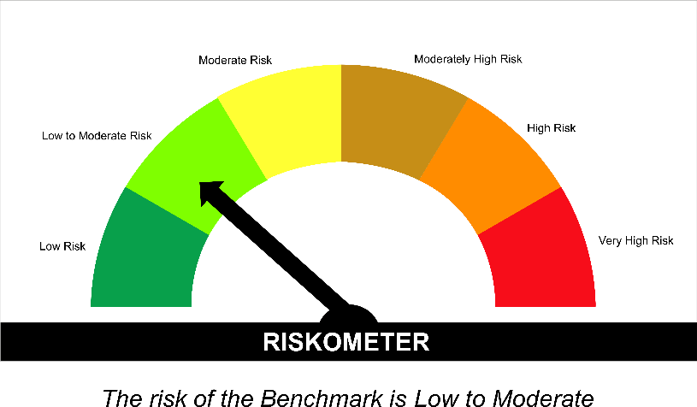
SUNDARAM MUTUAL FUND |  |  |  |  |  |  |  |  | Index
Sundaram Banking & PSU Fund
Monthly Portfolio Statement for the month ended 31 July 2026
SL No | ISIN Code | Name of the instrument | Rating / Industry | Quantity | Mkt Value Rs. in Lacs | % of Net Asset | YTM (%) | Yield to call date %
 |  | A) Equity & Equity Related
 |  | (a) Listed / awaiting listing on Stock Exchange
 |  | Sub Total |  |  | 0 | 0.00%

 |  | (b) Overseas Security
 |  | Sub Total |  |  | 0 | 0.00%

 |  | (c) Privately Placed / Unlisted
 |  | Sub Total |  |  | 0 | 0.00%

 |  | (d) Preference / Right Shares
 |  | Sub Total |  |  | 0 | 0.00%

 |  | (e) Warrants
 |  | Sub Total |  |  | 0 | 0.00%

 |  | f) Derivative
 |  | Sub Total |  |  | 0 | 0.00%

 |  | Total for Equity & Equity Related |  |  | 0.00 | 0.00%

 |  | B) Debt Instruments
 |  | (a) Listed / awaiting listing on Stock Exchange
1 | INE040A08955 | HDFC Bank Ltd - 7.7% - 16/05/2028** | ICRA AAA | 2500 | 2507.76 | 9.60% | 7.48
2 | INE514E08GE8 | Export Import Bank of India - 7.35% - 27/07/2028** | ICRA AAA | 2000 | 2008.46 | 7.69% | 7.11
3 | INE557F08FY4 | National Housing Bank - 7.59% - 14/07/2027 | CRISIL AAA | 2000 | 2005.82 | 7.68% | 7.25
4 | INE242A08544 | Indian Oil Corporation Ltd - 7.44% - 25/11/2027** | ICRA AAA | 150 | 1506.76 | 5.77% | 7.03
5 | INE053F08411 | Indian Railway Finance Corporation Ltd - 7.37% - 31/07/2029** | ICRA AAA | 1000 | 1004.34 | 3.85% | 7.20
6 | INE261F08EM1 | National Bank for Agriculture & Rural Development - 7.53% - 24/03/2028** | ICRA AAA | 1000 | 1001.11 | 3.83% | 7.42
7 | INE556F08KW0 | Small Industries Development Bank of India - 7.42% - 12/03/2029** | CRISIL AAA | 1000 | 999.83 | 3.83% | 7.40
8 | INE062A08488 | State Bank of India - 6.93% - 20/10/2035**- Call Dt : 19-Oct-30 | ICRA AAA | 10 | 999.28 | 3.83% | 6.93 | 7.00
9 | INE0KUG08142 | National Bank for Financing Infrastructure and Development - 7.37% - 16/07/2029** | CRISIL AAA | 1000 | 997.66 | 3.82% | 7.46
10 | INE134E08NW3 | Power Finance Corporation Ltd - 6.73% - 15/10/2027** | CRISIL AAA | 1000 | 992.89 | 3.80% | 7.35
11 | INE296A07TM8 | Bajaj Finance Ltd - 7.11% - 10/07/2028** | CRISIL AAA | 1000 | 988.55 | 3.79% | 7.76
12 | INE134E08NS1 | Power Finance Corporation Ltd - 6.61% - 15/07/2028** | ICRA AAA | 1000 | 987.52 | 3.78% | 7.31
13 | INE261F08EP4 | National Bank for Agriculture & Rural Development - 6.66% - 12/10/2028 | ICRA AAA | 1000 | 984.52 | 3.77% | 7.43
14 | INE053F08387 | Indian Railway Finance Corporation Ltd - 7.46% - 18/06/2029** | CRISIL AAA | 500 | 503.68 | 1.93% | 7.17
15 | INE134E08MX3 | Power Finance Corporation Ltd - 7.6% - 13/04/2029** | ICRA AAA | 500 | 503.42 | 1.93% | 7.30
16 | INE756I07FB6 | HDB Financial Services Ltd - 7.9611% - 05/01/2028 | CRISIL AAA | 500 | 501.01 | 1.92% | 7.75
17 | INE261F08EU4 | National Bank for Agriculture & Rural Development - 7.44% - 17/07/2029 | CRISIL AAA | 500 | 500.72 | 1.92% | 7.38
18 | INE020B08FL9 | REC LTD - 7.34% - 30/04/2030** | CRISIL AAA | 500 | 500.31 | 1.92% | 7.31
19 | INE031A08AC8 | Housing & Urban Development Corporation Ltd - 7.23% - 18/07/2029** | ICRA AAA | 500 | 498.34 | 1.91% | 7.36
20 | INE556F08LC0 | Small Industries Development Bank of India - 7.22% - 10/04/2029** | CRISIL AAA | 500 | 497.54 | 1.91% | 7.41
21 | INE296A07TJ4 | Bajaj Finance Ltd - 7.3763% - 26/06/2028** | CRISIL AAA | 500 | 496.69 | 1.90% | 7.75
22 | INE403D08272 | Bharti Telecom Ltd - 7.35% - 15/10/2027** | CRISIL AAA | 500 | 496.11 | 1.90% | 8.01
23 | INE020B08FW6 | REC LTD - 6.52% - 31/01/2028** | ICRA AAA | 400 | 395.51 | 1.51% | 7.30
 |  | Sub Total |  |  | 21877.83 | 83.77%

 |  | (b) Privately Placed / Unlisted
 |  | Sub Total |  |  | 0 | 0.00%

 |  | (c) Govt Security
1 | IN0020250141 | 6.36% Central Government Securities 16/02/2031 | Sovereign | 660000 | 657.73 | 2.52% | 6.55
2 | IN1920230100 | 7.72% Karnataka State Government Securities - 06/12/2035 | Sovereign | 500000 | 511.85 | 1.96% | 7.50
3 | IN0020250018 | 6.90% Central Government Securities 15/04/2065 | Sovereign | 500000 | 457.15 | 1.75% | 7.73
4 | IN0020250091 | 6.48% Central Government Securities 06/10/2035 | Sovereign | 250000 | 244.29 | 0.94% | 6.93
 |  | Sub Total |  |  | 1871.03 | 7.16%

 |  | (d) Securitized Debt Instruments
 |  | Sub Total |  |  | 0 | 0.00%

 |  | Total for Debt Instruments |  |  | 23748.85 | 90.94%

 |  | C) Money Market Instruments
 |  | (a) Certificate of Deposits
 |  | Sub Total |  |  | 0 | 0.00%

 |  | (b) Commercial Papers
 |  | Sub Total |  |  | 0 | 0.00%

 |  | (c) Treasury Bills
 |  | Sub Total |  |  | 0 | 0.00%

 |  | (d) ReverseRepo / TREPS
1 |  | TREPS |  |  | 1559.97 | 5.97% | 5.25
 |  | Sub Total |  |  | 1559.97 | 5.97%

 |  | Total for Money Market Instruments |  |  | 1559.97 | 5.97%

 |  | D) Mutual Fund Units
 |  | (a) Investment in Mutual Fund Units
 |  | Sub Total |  |  | 0 | 0.00%

 |  | (b) Corporate Debt Market Development Fund
1 | INF0RQ622028 | Corporate Debt Market Development Fund - Class A2 |  | 1167.5340 | 139.18 | 0.53%
 |  | Sub Total |  |  | 139.18 | 0.53%

 |  | E) Others
 |  | (a) Deposits with Commercial Banks
 |  | Sub Total |  |  | 0 | 0.00%

 |  | (b) Share Application Money pending Allotment
 |  | Sub Total |  |  | 0 | 0.00%

 |  | Cash and Other Net Current Assets^ |  |  | 667.76 | 2.56%
 |  | Grand Total |  |  | 26115.76 | 100.00 %

 | **Non Traded Securities - Wherever applicable
 | ^ Net current assets includes interest accrued on fixed income securities - Wherever applicable
 | # percentage to NAV of security is less than 0.01% - Wherever applicable

 | Notes
 | a) Total securities classified as below investment grade or default provided for and its percentage to NAV |  | Nil
 | b) Total value and percentage of illiquid equity shares |  | Nil
 | c) NAV per unit (Rupees per unit)
 |  | At the beginning | At the end
 | Option | 30-Jun-2026 | 31-Jul-2026
 | Direct Plan - Growth | 46.2077 | 46.3283
 | Direct Plan - IDCW | 11.5035 | 11.5335
 | Regular Plan - Growth | 45.4914 | 45.6042
 | Regular Plan - IDCW | 11.5284 | 11.5570

 | d) IDCW declared during the period (Rupees per unit) |  | Nil

 | e) Total outstanding exposure in derivative instruments at the end of the period |  | Nil
 | f) Total investments in foreign securities /ADR'S/GDR'S at the end of the period |  | Nil
 | g) Repo in corporate debt |  | Nil

 | Portfolio Information
 | Scheme Name : |  | Sundaram Banking & PSU Fund
 | Description (if any)

 | Annualised Portfolio YTM %* : |  | 7.20

 | Macaulay Duration (years) |  | 2.35
 | Average Maturity (years) |  | 3.11

 | As on (Date) |  | 31-Jul-2026
 | * in case of semi annual YTM, it will be annualised

 | Scheme Riskometer :

 | Tier I Benchmark Riskometer :
 | NIFTY Banking and PSU Debt Index A-II

SMMF
SUNDARAM MUTUAL FUND |  |  |  |  |  |  |  | Index
Sundaram Money Market Fund
Monthly Portfolio Statement for the month ended 31 July 2026
SL No | ISIN Code | Name of the instrument | Rating / Industry | Quantity | Mkt Value Rs. in Lacs | % of Net Asset | YTM (%)
 |  | A) Equity & Equity Related
 |  | (a) Listed / awaiting listing on Stock Exchange
 |  | Sub Total |  |  | 0 | 0.00%

 |  | (b) Overseas Security
 |  | Sub Total |  |  | 0 | 0.00%

 |  | (c) Privately Placed / Unlisted
 |  | Sub Total |  |  | 0 | 0.00%

 |  | (d) Preference / Right Shares
 |  | Sub Total |  |  | 0 | 0.00%

 |  | (e) Warrants
 |  | Sub Total |  |  | 0 | 0.00%

 |  | f) Derivative
 |  | Sub Total |  |  | 0 | 0.00%

 |  | Total for Equity & Equity Related |  |  | 0.00 | 0.00%

 |  | B) Debt Instruments
 |  | (a) Listed / awaiting listing on Stock Exchange
 |  | Sub Total |  |  | 0 | 0.00%

 |  | (b) Privately Placed / Unlisted
 |  | Sub Total |  |  | 0 | 0.00%

 |  | (c) Govt Security
 |  | Sub Total |  |  | 0 | 0.00%

 |  | (d) Securitized Debt Instruments
 |  | Sub Total |  |  | 0 | 0.00%

 |  | Total for Debt Instruments |  |  | 0.00 | 0.00%

 |  | C) Money Market Instruments
 |  | (a) Certificate of Deposits
1 | INE565A16BS2 | Indian Overseas Bank - 24/02/2027** | CARE A1+ | 2000 | 9618.70 | 5.69% | 6.99
2 | INE160A16UE2 | Punjab National Bank - 05/02/2027** | CRISIL A1+ | 1700 | 8207.87 | 4.85% | 6.91
3 | INE171A16NJ3 | The Federal Bank Ltd - 29/01/2027** | CRISIL A1+ | 1500 | 7245.44 | 4.28% | 7.09
4 | INE095A167D9 | IndusInd Bank Ltd - 14/12/2026** | CRISIL A1+ | 1300 | 6335.17 | 3.74% | 7.04
5 | INE028A16LH3 | Bank of Baroda - 05/02/2027** | IND A1+ | 1100 | 5311.37 | 3.14% | 6.90
6 | INE476A16G44 | Canara Bank - 02/02/2027 | CRISIL A1+ | 1000 | 4831.05 | 2.86% | 6.90
7 | INE040A16IM4 | HDFC Bank Ltd - 05/02/2027 | CRISIL A1+ | 1000 | 4827.20 | 2.85% | 6.95
8 | INE092T16ZD8 | IDFC First Bank Ltd - 04/02/2027** | CRISIL A1+ | 1000 | 4822.13 | 2.85% | 7.20
9 | INE238AD6CO4 | Axis Bank Ltd - 12/02/2027** | CRISIL A1+ | 1000 | 4821.74 | 2.85% | 6.92
10 | INE556F16CB4 | Small Industries Development Bank of India - 18/02/2027 | CRISIL A1+ | 1000 | 4813.14 | 2.84% | 7.05
11 | INE237AD6166 | Kotak Mahindra Bank Ltd - 05/03/2027 | CRISIL A1+ | 1000 | 4803.58 | 2.84% | 6.91
12 | INE160A16UQ6 | Punjab National Bank - 09/03/2027** | CRISIL A1+ | 1000 | 4800.08 | 2.84% | 6.91
13 | INE040A16IT9 | HDFC Bank Ltd - 09/03/2027 | CRISIL A1+ | 1000 | 4798.97 | 2.84% | 6.95
14 | INE238AD6CH8 | Axis Bank Ltd - 18/03/2027** | CRISIL A1+ | 1000 | 4791.96 | 2.83% | 6.92
15 | INE556F16BW2 | Small Industries Development Bank of India - 28/01/2027** | CRISIL A1+ | 800 | 3865.60 | 2.28% | 7.05
16 | INE949L16EB5 | AU Small Finance Bank Ltd - 25/11/2026** | CRISIL A1+ | 500 | 2443.82 | 1.44% | 7.23
17 | INE556F16BT8 | Small Industries Development Bank of India - 16/12/2026** | CRISIL A1+ | 500 | 2436.04 | 1.44% | 7.00
18 | INE028A16LI1 | Bank of Baroda - 12/02/2027** | IND A1+ | 500 | 2411.18 | 1.43% | 6.90
19 | INE261F16AN0 | National Bank for Agriculture & Rural Development - 05/03/2027** | CRISIL A1+ | 500 | 2399.88 | 1.42% | 7.05
20 | INE261F16AP5 | National Bank for Agriculture & Rural Development - 17/03/2027** | CRISIL A1+ | 500 | 2394.55 | 1.42% | 7.05
21 | INE692A16MQ5 | Union Bank of India - 15/06/2027** | ICRA A1+ | 500 | 2354.56 | 1.39% | 7.09
22 | INE562A16RK2 | Indian Bank - 15/06/2027** | CRISIL A1+ | 500 | 2354.37 | 1.39% | 7.10
23 | INE028A16LS0 | Bank of Baroda - 08/03/2027** | IND A1+ | 400 | 1920.55 | 1.14% | 6.90
24 | INE160A16UD4 | Punjab National Bank - 04/02/2027** | CRISIL A1+ | 300 | 1448.71 | 0.86% | 6.91
25 | INE476A16J90 | Canara Bank - 08/12/2026** | CRISIL A1+ | 200 | 976.40 | 0.58% | 6.84
 |  | Sub Total |  |  | 105034.02 | 62.08%

 |  | (b) Commercial Papers
1 | INE041014080 | Embassy Office Parks REIT - 12/03/2027** | CRISIL A1+ | 1100 | 5266.40 | 3.11% | 7.26
2 | INE0DZE14362 | Kisetsu Saison Finance - 26/02/2027** | CRISIL A1+ | 1000 | 4793.33 | 2.83% | 7.53
3 | INE824H14TZ0 | Julius Baer Capital (India) Private Ltd - 26/02/2027** | CRISIL A1+ | 800 | 3829.67 | 2.26% | 7.77
4 | INE879F14MP4 | Infina Finance Pvt Ltd - 01/03/2027** | CRISIL A1+ | 800 | 3824.51 | 2.26% | 7.90
5 | INE414G14VQ7 | Muthoot Finance Ltd - 12/03/2027** | CRISIL A1+ | 800 | 3820.23 | 2.26% | 7.70
6 | INE530B14II5 | IIFL Finance Ltd - 02/11/2026 | CRISIL A1+ | 600 | 2936.67 | 1.74% | 8.65
7 | INE115A14FS2 | LIC Housing Finance Ltd - 11/02/2027** | CRISIL A1+ | 600 | 2892.47 | 1.71% | 7.00
8 | INE466L14FR8 | 360 ONE WAM Ltd (Prev IIFL Wealth Management Ltd) - 21/01/2027** | CRISIL A1+ | 500 | 2407.52 | 1.42% | 8.11
9 | INE121A14YK8 | Cholamandalam Investment and Finance Company Ltd - 11/02/2027 | CRISIL A1+ | 500 | 2403.80 | 1.42% | 7.53
10 | INE338I14LS1 | Motilal Oswal Financial Services Ltd - 03/02/2027** | CRISIL A1+ | 500 | 2403.37 | 1.42% | 7.89
11 | INE414G14VE3 | Muthoot Finance Ltd - 20/01/2027** | CRISIL A1+ | 100 | 482.49 | 0.29% | 7.70
 |  | Sub Total |  |  | 35060.45 | 20.72%

 |  | (c) Treasury Bills
1 | IN002025Z286 | 364 Days - T Bill - 08/10/2026 | Sovereign | 5000000 | 4951.12 | 2.93% | 5.30
2 | IN002026X164 | 91 Days - T Bill - 22/10/2026 | Sovereign | 5000000 | 4940.91 | 2.92% | 5.32
3 | IN002026X131 | 91 Days - T Bill - 01/10/2026 | Sovereign | 3300000 | 3270.98 | 1.93% | 5.31
4 | IN002026X081 | 91 Days - T Bill - 28/08/2026 | Sovereign | 2500000 | 2490.44 | 1.47% | 5.19
5 | IN002026X123 | 91 Days - T Bill - 24/09/2026 | Sovereign | 2500000 | 2480.78 | 1.47% | 5.24
 |  | Sub Total |  |  | 18134.22 | 10.72%

 |  | (d) ReverseRepo / TREPS
1 |  | TREPS |  |  | 15370.18 | 9.08% | 5.25
 |  | Sub Total |  |  | 15370.18 | 9.08%

 |  | Total for Money Market Instruments |  |  | 173598.87 | 102.60%

 |  | D) Mutual Fund Units
 |  | (a) Investment in Mutual Fund Units
 |  | Sub Total |  |  | 0 | 0.00%

 |  | (b) Corporate Debt Market Development Fund
1 | INF0RQ622028 | Corporate Debt Market Development Fund - Class A2 |  | 4185.0570 | 498.89 | 0.29%
 |  | Sub Total |  |  | 498.89 | 0.29%

 |  | E) Others
 |  | (a) Deposits with Commercial Banks
 |  | Sub Total |  |  | 0 | 0.00%

 |  | (b) Share Application Money pending Allotment
 |  | Sub Total |  |  | 0 | 0.00%

 |  | Cash and Other Net Current Assets^ |  |  | (4904.88) | (2.90%)
 |  | Grand Total |  |  | 169192.87 | 100.00 %

 | **Non Traded Securities - Wherever applicable
 | ^ Net current assets includes interest accrued on fixed income securities - Wherever applicable
 | # percentage to NAV of security is less than 0.01% - Wherever applicable
 | ++ Aggregate Investments by Other schemes of Sundaram Mutual Fund - Rs. 25,913.25 Lakhs

 | Notes
 | a) Total securities classified as below investment grade or default provided for and its percentage to NAV |  | Nil
 | b) Total value and percentage of illiquid equity shares |  | Nil
 | c) NAV per unit (Rupees per unit)
 |  | At the beginning | At the end
 | Option | 30-Jun-2026 | 31-Jul-2026
 | Direct Plan - Growth | 16.0947 | 16.1757
 | Direct Plan - IDCW | 11.3163 | 11.3732
 | Regular Plan - Growth | 15.9646 | 16.0424
 | Regular Plan - IDCW | 11.2722 | 11.3272

 | d) IDCW declared during the period (Rupees per unit) |  | Nil

 | e) Total outstanding exposure in derivative instruments at the end of the period |  | Nil
 | f) Total investments in foreign securities /ADR'S/GDR'S at the end of the period |  | Nil
 | g) Repo in corporate debt |  | Nil

 | Portfolio Information
 | Scheme Name : |  | Sundaram Money Market Fund
 | Description (if any)

 | Annualised Portfolio YTM %* : |  | 6.69

 | Macaulay Duration (years) |  | 0.47
 | Average Maturity (years) |  | 0.47

 | As on (Date) |  | 31-Jul-2026
 | * in case of semi annual YTM, it will be annualised

 | Scheme Riskometer :

 | 

 | Tier I Benchmark Riskometer :
 | NIFTY Money Market Index A-I

SUNMIA
SUNDARAM MUTUAL FUND |  |  |  |  |  |  |  | Index
Sundaram Conservative Hybrid Fund
Monthly Portfolio Statement for the month ended 31 July 2026
SL No | ISIN Code | Name of the instrument | Rating / Industry | Quantity | Mkt Value Rs. in Lacs | % of Net Asset | YTM (%)
 |  | A) Equity & Equity Related
 |  | (a) Listed / awaiting listing on Stock Exchange
1 | INE397D01024 | Bharti Airtel Ltd | Telecom - Services | 2400 | 47.33 | 2.50%
2 | INE002A01018 | Reliance Industries Ltd | Petroleum Products | 3000 | 39.23 | 2.07%
3 | INE040A01034 | HDFC Bank Ltd | Banks | 5000 | 37.41 | 1.97%
4 | INE062A01020 | State Bank of India | Banks | 2400 | 24.66 | 1.30%
5 | INE090A01021 | ICICI Bank Ltd | Banks | 1600 | 22.97 | 1.21%
6 | INE009A01021 | Infosys Ltd | It - Software | 1707 | 19.29 | 1.02%
7 | INE860A01027 | HCL Technologies Ltd | It - Software | 1400 | 18.86 | 0.99%
8 | INE669C01036 | Tech Mahindra Ltd | It - Software | 1000 | 16.51 | 0.87%
9 | INE917I01010 | Bajaj Auto Ltd | Automobiles | 137 | 15.78 | 0.83%
10 | INE481G01011 | Ultratech Cement Ltd | Cement & Cement Products | 125 | 14.88 | 0.78%
11 | INE238A01034 | Axis Bank Ltd | Banks | 1200 | 14.75 | 0.78%
12 | INE540L01014 | Alkem Laboratories Ltd | Pharmaceuticals & Biotechnology | 250 | 14.38 | 0.76%
13 | INE237A01036 | Kotak Mahindra Bank Ltd | Banks | 3375 | 13.17 | 0.69%
14 | INE101A01026 | Mahindra & Mahindra Ltd | Automobiles | 350 | 11.89 | 0.63%
15 | INE066F01020 | Hindustan Aeronautics Ltd | Aerospace & Defense | 250 | 11.62 | 0.61%
16 | INE018A01030 | Larsen & Toubro Ltd | Construction | 250 | 9.85 | 0.52%
17 | INE196A01026 | Marico Ltd | Agricultural Food & Other Products | 1100 | 9.58 | 0.50%
18 | INE603J01030 | PI Industries Ltd | Fertilizers & Agrochemicals | 320 | 8.80 | 0.46%
19 | INE797F01020 | Jubilant Foodworks Ltd | Leisure Services | 2000 | 8.77 | 0.46%
20 | INE1TAE01010 | TATA Motors Ltd | Agricultural, Commercial & Construction Vehicles | 2000 | 8.74 | 0.46%
21 | INE298A01020 | Cummins India Ltd | Industrial Products | 150 | 8.28 | 0.44%
22 | INE326A01037 | Lupin Ltd | Pharmaceuticals & Biotechnology | 200 | 4.83 | 0.25%
 |  | Sub Total |  |  | 381.57 | 20.12%

 |  | (b) Overseas Security
 |  | Sub Total |  |  | 0 | 0.00%

 |  | (c) Privately Placed / Unlisted
 |  | Sub Total |  |  | 0 | 0.00%

 |  | (d) Preference / Right Shares
 |  | Sub Total |  |  | 0 | 0.00%

 |  | (e) Warrants
 |  | Sub Total |  |  | 0 | 0.00%

 |  | f) Derivative
 |  | Sub Total |  |  | 0 | 0.00%

 |  | Total for Equity & Equity Related |  |  | 381.57 | 20.12%

 |  | B) Debt Instruments
 |  | (a) Listed / awaiting listing on Stock Exchange
 |  | Sub Total |  |  | 0 | 0.00%

 |  | (b) Privately Placed / Unlisted
 |  | Sub Total |  |  | 0 | 0.00%

 |  | (c) Govt Security
1 | IN0020250141 | 6.36% Central Government Securities 16/02/2031 | Sovereign | 500000 | 498.28 | 26.27% | 6.55
 |  | Sub Total |  |  | 498.28 | 26.27%

 |  | (d) Securitized Debt Instruments
 |  | Sub Total |  |  | 0 | 0.00%

 |  | Total for Debt Instruments |  |  | 498.28 | 26.27%

 |  | C) Money Market Instruments
 |  | (a) Certificate of Deposits
 |  | Sub Total |  |  | 0 | 0.00%

 |  | (b) Commercial Papers
 |  | Sub Total |  |  | 0 | 0.00%

 |  | (c) Treasury Bills
 |  | Sub Total |  |  | 0 | 0.00%

 |  | (d) ReverseRepo / TREPS
1 |  | TREPS |  |  | 971.33 | 51.21% | 5.25
 |  | Sub Total |  |  | 971.33 | 51.21%

 |  | Total for Money Market Instruments |  |  | 971.33 | 51.21%

 |  | D) Mutual Fund Units
 |  | (a) Investment in Mutual Fund Units
 |  | Sub Total |  |  | 0 | 0.00%

 |  | (b) Corporate Debt Market Development Fund
1 | INF0RQ622028 | Corporate Debt Market Development Fund - Class A2 |  | 76.7960 | 9.15 | 0.48%
 |  | Sub Total |  |  | 9.15 | 0.48%

 |  | E) Others
 |  | (a) Deposits with Commercial Banks
 |  | Sub Total |  |  | 0 | 0.00%

 |  | (b) Share Application Money pending Allotment
 |  | Sub Total |  |  | 0 | 0.00%

 |  | Cash and Other Net Current Assets^ |  |  | 36.24 | 1.91%
 |  | Grand Total |  |  | 1896.58 | 100.00 %

 | **Non Traded Securities - Wherever applicable
 | ^ Net current assets includes interest accrued on fixed income securities - Wherever applicable
 | # percentage to NAV of security is less than 0.01% - Wherever applicable

 | Notes
 | a) Total securities classified as below investment grade or default provided for and its percentage to NAV |  | Refer below point h)
 | b) Total value and percentage of illiquid equity shares |  | Nil
 | c) NAV per unit (Rupees per unit)
 |  | At the beginning | At the end
 | Option | 30-Jun-2026 | 31-Jul-2026
 | Direct Plan - Growth | 32.4909 | 32.8764
 | Direct Plan - IDCW | 20.4127 | 20.6549
 | Regular Plan - Growth | 29.2549 | 29.5833
 | Regular Plan - IDCW | 18.2690 | 18.4741

 | d) IDCW declared during the period (Rupees per unit) |  | Nil

 | e) Total outstanding exposure in derivative instruments at the end of the period |  | Nil
 | f) Total investments in foreign securities /ADR'S/GDR'S at the end of the period |  | Nil
 | g) Repo in corporate debt |  | Nil

 | Portfolio Information
 | Scheme Name : |  | Sundaram Conservative Hybrid Fund
 | Description (if any)

 | Annualised Portfolio YTM %* : |  | 5.70

 | Macaulay Duration - only for Debt portion (years) |  | 1.35
 | Average Maturity - only for Debt portion (years) |  | 1.58

 | As on (Date) |  | 31-Jul-2026
 | * in case of semi annual YTM, it will be annualised

 | h) Exposure to securities classified as below investment grade or default as on 31-Jul-2026:-
 | ISIN | NAME OF THE SECURITY | VALUE OF THE SECURITY CONSIDERED UNDER NET RECEIVABLES |  |  | % TO AUM
 | INE202B07654 | 11.55% Prev 11.45%-Dewan Housing Finance Corp Ltd-12/09/2019 | - |  |  | -

 | TOTAL AMOUNT INCLUDING INTEREST DUE TO AND RECOVERED BY THE SCHEME
 | ISIN | NAME OF THE SECURITY | TOTAL AMOUNT DUE |  |  |  | Amount Recovered (Rs. In Lacs) 30th Sep 2021 | Further amount received on 31/08/2024 (Rs. In Lacs) | Total settlement till date ( Rs . In Lacs )
 |  |  | PRINCIPAL (Rs. in Lacs) | Interest Accrued till 3rd June 2019 (Rs. in Lacs) | Interest not accrued due to category by rating agency as default till maturity (Rs. in Lacs) | Total (Rs. in Lacs)
 | INE202B07654 | 11.55%_Prev 11.45%-Dewan Housing Finance Corp Ltd-12/09/2019 | 500.00 | 9.94 | 16.01 | 525.95 | 233.41 | 4.01 | 237.42

 | For Further details please refer the below Links for Rationale

 | https://www.sundarammutual.com/pdf2/2021/Rationale_for_Valuation/DHFL_Valuation_impact_22_Sep_2021.pdf

 | https://www.sundarammutual.com/pdf2/2021/Rationale_for_Valuation/Update_on_DHFL_Recovery_30_sep_2021.pdf

 | https://www.sundarammutual.com/pdf2/2024/Rationale_for_Valuation/Update_on_DHFL_Recovery_31_Aug_2024_V1.pdf

 | https://www.sundarammutual.com/pdf2/2025/Rationale_for_Valuation/Update_on_Valuation_of_RoadStar_InVIT_Units_V1.pdf

 | https://www.sundarammutual.com/pdf2/2025/Rationale_for_Valuation/Update_on_Valuation_of_RoadStar_InVIT_Units_22_Sep_2025.pdf

 | Scheme Riskometer :

 | 

 | Tier I Benchmark Riskometer :
 | CRISIL Hybrid 85 Plus 15 - Conservative Index
 | 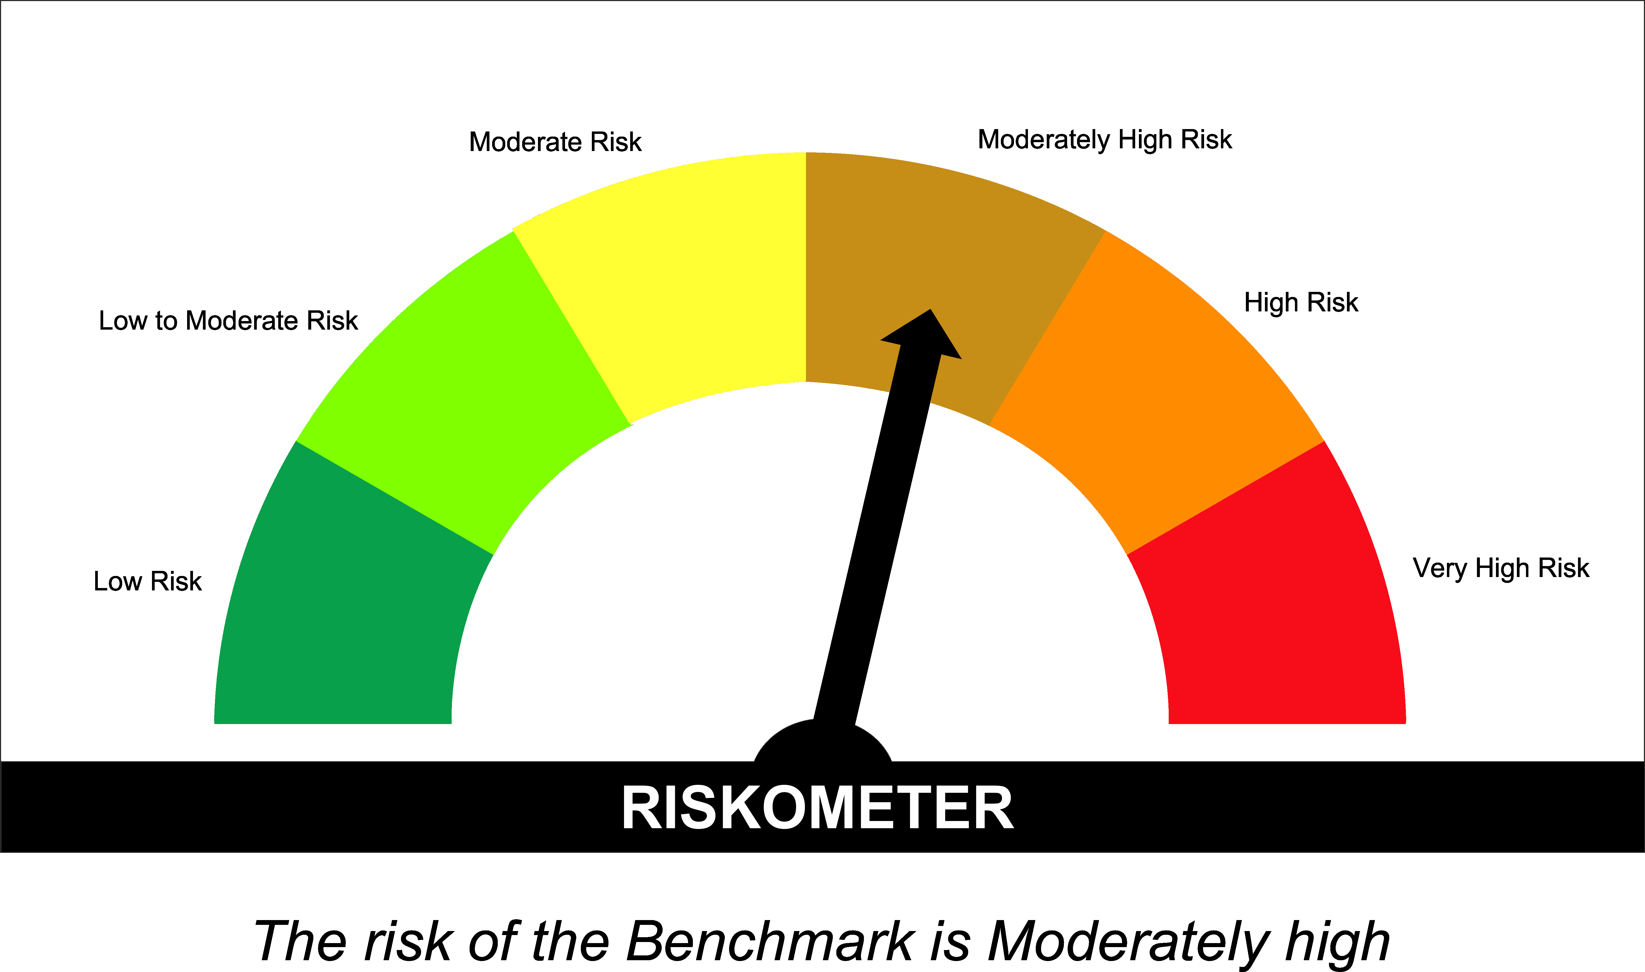

SUNONF
SUNDARAM MUTUAL FUND |  |  |  |  |  |  |  | Index
Sundaram Overnight Fund
Monthly Portfolio Statement for the month ended 31 July 2026
SL No | ISIN Code | Name of the instrument | Rating / Industry | Quantity | Mkt Value Rs. in Lacs | % of Net Asset | YTM (%)
 |  | A) Equity & Equity Related
 |  | (a) Listed / awaiting listing on Stock Exchange
 |  | Sub Total |  |  | 0 | 0.00%

 |  | (b) Overseas Security
 |  | Sub Total |  |  | 0 | 0.00%

 |  | (c) Privately Placed / Unlisted
 |  | Sub Total |  |  | 0 | 0.00%

 |  | (d) Preference / Right Shares
 |  | Sub Total |  |  | 0 | 0.00%

 |  | (e) Warrants
 |  | Sub Total |  |  | 0 | 0.00%

 |  | f) Derivative
 |  | Sub Total |  |  | 0 | 0.00%

 |  | Total for Equity & Equity Related |  |  | 0.00 | 0.00%

 |  | B) Debt Instruments
 |  | (a) Listed / awaiting listing on Stock Exchange
 |  | Sub Total |  |  | 0 | 0.00%

 |  | (b) Privately Placed / Unlisted
 |  | Sub Total |  |  | 0 | 0.00%

 |  | (c) Govt Security
 |  | Sub Total |  |  | 0 | 0.00%

 |  | (d) Securitized Debt Instruments
 |  | Sub Total |  |  | 0 | 0.00%

 |  | Total for Debt Instruments |  |  | 0.00 | 0.00%

 |  | C) Money Market Instruments
 |  | (a) Certificate of Deposits
 |  | Sub Total |  |  | 0 | 0.00%

 |  | (b) Commercial Papers
 |  | Sub Total |  |  | 0 | 0.00%

 |  | (c) Treasury Bills
1 | IN002026X057 | 91 Days - T Bill - 06/08/2026 | Sovereign | 2500000 | 2498.24 | 1.32% | 5.15
2 | IN002025Y479 | 182 Days - T Bill - 27/08/2026 | Sovereign | 2500000 | 2490.81 | 1.31% | 5.18
3 | IN002026X065 | 91 Days - T Bill - 13/08/2026 | Sovereign | 1500000 | 1497.44 | 0.79% | 5.20
4 | IN002025Z203 | 364 Days - T Bill - 13/08/2026 | Sovereign | 1000000 | 998.29 | 0.53% | 5.20
 |  | Sub Total |  |  | 7484.78 | 3.95%

 |  | (d) ReverseRepo / TREPS
1 |  | TREPS |  |  | 96386.41 | 50.84% | 5.25
2 |  | Reverse Repo |  |  | 84999.61 | 44.83% | 5.35
 |  | Sub Total |  |  | 181386.03 | 95.67%

 |  | Total for Money Market Instruments |  |  | 188870.81 | 99.61%

 |  | D) Mutual Fund Units
 |  | (a) Investment in Mutual Fund Units
 |  | Sub Total |  |  | 0 | 0.00%

 |  | E) Others
 |  | (a) Deposits with Commercial Banks
 |  | Sub Total |  |  | 0 | 0.00%

 |  | (b) Share Application Money pending Allotment
 |  | Sub Total |  |  | 0 | 0.00%

 |  | Cash and Other Net Current Assets^ |  |  | 734.01 | 0.39%
 |  | Grand Total |  |  | 189604.82 | 100.00 %

 | **Non Traded Securities - Wherever applicable
 | ^ Net current assets includes interest accrued on fixed income securities - Wherever applicable
 | # percentage to NAV of security is less than 0.01% - Wherever applicable

 | Notes
 | a) Total securities classified as below investment grade or default provided for and its percentage to NAV |  | Nil
 | b) Total value and percentage of illiquid equity shares |  | Nil
 | c) NAV per unit (Rupees per unit)
 |  | At the beginning | At the end
 | Option | 30-Jun-2026 | 31/07/2026
 | Direct Plan - Growth | 1448.7980 | 1455.1160
 | Direct Plan - IDCW | 1047.1085 | 1051.6759
 | Regular Plan - Growth | 1438.5707 | 1444.7231
 | Regular Plan - IDCW | 1041.9331 | 1046.3855

 | d) IDCW declared during the period (Rupees per unit) |  | Nil

 | e) Total outstanding exposure in derivative instruments at the end of the period |  | Nil
 | f) Total investments in foreign securities /ADR'S/GDR'S at the end of the period |  | Nil
 | g) Repo in corporate debt |  | Nil

 | Portfolio Information
 | Scheme Name : |  | Sundaram Overnight Fund
 | Description (if any)

 | Annualised Portfolio YTM %* : |  | 5.30

 | Macaulay Duration (Days) |  | 3
 | Average Maturity (Days) |  | 3

 | As on (Date) |  | 31-Jul-2026
 | * in case of semi annual YTM, it will be annualised

 | Scheme Riskometer :

 | 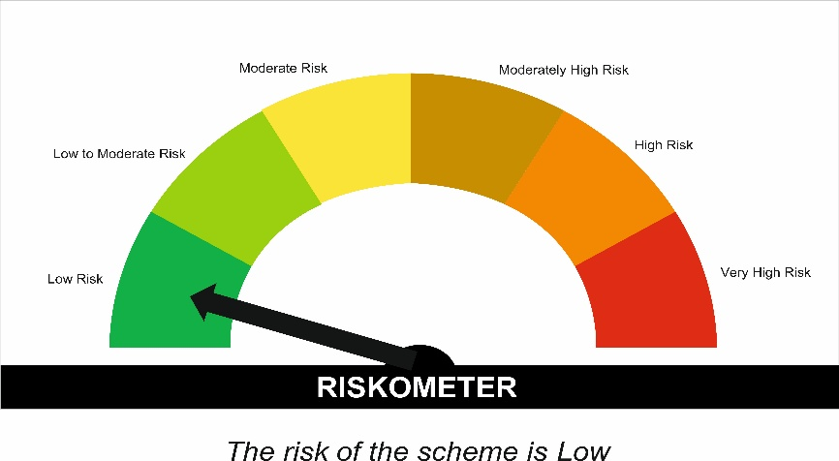

 | Tier I Benchmark Riskometer :
 | NIFTY 1D Rate Index
 | 