SUNMIA
SUNDARAM MUTUAL FUND |  |  |  |  |  |  |  | Index
Sundaram Conservative Hybrid Fund
Monthly Portfolio Statement for the month ended 30 September2025
SL No | ISIN Code | Name of the instrument | Rating / Industry | Quantity | Mkt Value Rs. in Lacs | % of Net Asset | YTM (%)*
 |  | A) Equity & Equity Related
 |  | (a) Listed / awaiting listing on Stock Exchange
1 | INE040A01034 | HDFC Bank Ltd | Banks | 6650 | 63.24 | 3.03%
2 | INE090A01021 | ICICI Bank Ltd | Banks | 3800 | 51.22 | 2.45%
3 | INE397D01024 | Bharti Airtel Ltd | Telecom - Services | 2400 | 45.08 | 2.16%
4 | INE002A01018 | Reliance Industries Ltd | Petroleum Products | 3300 | 45.01 | 2.16%
5 | INE0GGX23010 | Power Grid Infrastructure Investment Trust(InvIT) | Power | 30000 | 28.60 | 1.37%
6 | INE009A01021 | Infosys Ltd | It - Software | 1750 | 25.23 | 1.21%
7 | INE062A01020 | State Bank of India | Banks | 2600 | 22.68 | 1.09%
8 | INE860A01027 | HCL Technologies Ltd | It - Software | 1400 | 19.39 | 0.93%
9 | INE585B01010 | Maruti Suzuki India Ltd | Automobiles | 100 | 16.03 | 0.77%
10 | INE481G01011 | Ultratech Cement Ltd | Cement & Cement Products | 125 | 15.28 | 0.73%
11 | INE917I01010 | Bajaj Auto Ltd | Automobiles | 160 | 13.89 | 0.66%
12 | INE029A01011 | Bharat Petroleum Corporation Ltd | Petroleum Products | 4000 | 13.59 | 0.65%
13 | INE540L01014 | Alkem Laboratories Ltd | Pharmaceuticals & Biotechnology | 250 | 13.56 | 0.65%
14 | INE237A01028 | Kotak Mahindra Bank Ltd | Banks | 675 | 13.45 | 0.64%
15 | INE047A01021 | Grasim Industries Ltd | Cement & Cement Products | 450 | 12.41 | 0.59%
16 | INE797F01020 | Jubilant Foodworks Ltd | Leisure Services | 2000 | 12.35 | 0.59%
17 | INE603J01030 | PI Industries Ltd | Fertilizers & Agrochemicals | 320 | 11.24 | 0.54%
18 | INE196A01026 | Marico Ltd | Agricultural Food & Other Products | 1500 | 10.46 | 0.50%
19 | INE018A01030 | Larsen & Toubro Ltd | Construction | 250 | 9.15 | 0.44%
20 | INE154A01025 | ITC Ltd | Diversified Fmcg | 2250 | 9.03 | 0.43%
21 | INE238A01034 | Axis Bank Ltd | Banks | 600 | 6.79 | 0.33%
 |  | Sub Total |  |  | 457.68 | 21.92%

 |  | (b) Overseas Security
 |  | Sub Total |  |  | 0 | 0.00%

 |  | (c) Privately Placed / Unlisted
 |  | Sub Total |  |  | 0 | 0.00%

 |  | (d) Preference / Right Shares
 |  | Sub Total |  |  | 0 | 0.00%

 |  | (e) Warrants
 |  | Sub Total |  |  | 0 | 0.00%

 |  | f) Derivative
 |  | Sub Total |  |  | 0 | 0.00%

 |  | Total for Equity & Equity Related |  |  | 457.68 | 21.92%

 |  | B) Debt Instruments
 |  | (a) Listed / awaiting listing on Stock Exchange
 |  | Sub Total |  |  | 0 | 0.00%

 |  | (b) Privately Placed / Unlisted
 |  | Sub Total |  |  | 0 | 0.00%

 |  | (c) Govt Security
1 | IN0020250026 | 6.33% Central Government Securities 05/05/2035 | Sovereign | 500000 | 491.45 | 23.53% | 6.68
2 | IN0020250042 | 6.68% Central Government Securities 07/07/2040 | Sovereign | 400000 | 392.94 | 18.82% | 6.99
3 | IN0020250075 | 7.24% Central Government Securities 18/08/2055 | Sovereign | 207700 | 208.75 | 10.00% | 7.33
4 | IN0020240019 | 7.10% Central Government Securities 08/04/2034 | Sovereign | 100000 | 102.92 | 4.93% | 6.76
 |  | Sub Total |  |  | 1196.06 | 57.27%

 |  | (d) Securitized Debt Instruments
 |  | Sub Total |  |  | 0 | 0.00%

 |  | Total for Debt Instruments |  |  | 1196.06 | 57.27%

 |  | C) Money Market Instruments
 |  | (a) Certificate of Deposits
 |  | Sub Total |  |  | 0 | 0.00%

 |  | (b) Commercial Papers
 |  | Sub Total |  |  | 0 | 0.00%

 |  | (c) Treasury Bills
 |  | Sub Total |  |  | 0 | 0.00%

 |  | (d) ReverseRepo / TREPS
1 |  | TREPS |  |  | 385.46 | 18.46% | 5.51
 |  | Sub Total |  |  | 385.46 | 18.46%

 |  | Total for Money Market Instruments |  |  | 385.46 | 18.46%

 |  | D) Mutual Fund Units
 |  | (a) Investment in Mutual Fund Units
 |  | Sub Total |  |  | 0 | 0.00%

 |  | (b) Corporate Debt Market Development Fund
1 | INF0RQ622028 | Corporate Debt Market Development Fund - Class A2 |  | 76.7960 | 8.74 | 0.42%
 |  | Sub Total |  |  | 8.74 | 0.42%

 |  | E) Others
 |  | (a) Deposits with Commercial Banks
 |  | Sub Total |  |  | 0 | 0.00%

 |  | (b) Share Application Money pending Allotment
 |  | Sub Total |  |  | 0 | 0.00%

 |  | Cash and Other Net Current Assets^ |  |  | 40.43 | 1.94%
 |  | Grand Total |  |  | 2088.39 | 100.00 %

 | **Non Traded Securities - Wherever applicable
 | ^ Net current assets includes interest accrued on fixed income securities - Wherever applicable
 | # percentage to NAV of security is less than 0.01% - Wherever applicable

 | Notes
 | a) Total securities classified as below investment grade or default provided for and its percentage to NAV |  | Refer below point h)
 | b) Total value and percentage of illiquid equity shares |  | Nil
 | c) NAV per unit (Rupees per unit)
 |  | At the beginning | At the end
 | Option | 31-Aug-2025 | 30-Sep-2025
 | Direct Plan - Growth | 32.2184 | 32.3963
 | Direct Plan - Quarterly IDCW | 20.8517 | 20.9668
 | Regular Plan - Growth | 29.1828 | 29.3200
 | Regular Plan - Quarterly IDCW | 18.7764 | 18.8646

 | d) IDCW declared during the period (Rupees per unit) |  | Nil

 | e) Total outstanding exposure in derivative instruments at the end of the period |  | Nil
 | f) Total investments in foreign securities /ADR'S/GDR'S at the end of the period |  | Nil
 | g) Repo in corporate debt |  | Nil

 | Portfolio Information
 | Scheme Name : |  | Sundaram Conservative Hybrid Fund
 | Description (if any)

 | Annualised Portfolio YTM %* : |  | 6.56

 | Macaulay Duration - only for Debt portion (years) |  | 6.58
 | Average Maturity - only for Debt portion (years) |  | 11.06

 | As on (Date) |  | 30-Sep-2025
 | * in case of semi annual YTM, it will be annualised

 | h) Exposure to securities classified as below investment grade or default as on 30-Sep-2025:-
 | ISIN | NAME OF THE SECURITY | VALUE OF THE SECURITY CONSIDERED UNDER NET RECEIVABLES |  |  | % TO AUM
 | INE202B07654 | 11.55% Prev 11.45%-Dewan Housing Finance Corp Ltd-12/09/2019 | - |  |  | -

 | TOTAL AMOUNT INCLUDING INTEREST DUE TO AND RECOVERED BY THE SCHEME
 | ISIN | NAME OF THE SECURITY | TOTAL AMOUNT DUE |  |  |  | Amount Recovered (Rs. In Lacs) 30th Sep 2021 | Further amount received on 31/08/2024 (Rs. In Lacs) | Total settlement till date ( Rs . In Lacs )
 |  |  | PRINCIPAL (Rs. in Lacs) | Interest Accrued till 3rd June 2019 (Rs. in Lacs) | Interest not accrued due to category by rating agency as default till maturity (Rs. in Lacs) | Total (Rs. in Lacs)
...
 | https://www.sundarammutual.com/pdf2/2021/Rationale_for_Valuation/Update_on_DHFL_Recovery_30_sep_2021.pdf

 | https://www.sundarammutual.com/pdf2/2024/Rationale_for_Valuation/Update_on_DHFL_Recovery_31_Aug_2024_V1.pdf

 | https://www.sundarammutual.com/pdf2/2025/Rationale_for_Valuation/Update_on_Valuation_of_RoadStar_InVIT_Units_V1.pdf

 | https://www.sundarammutual.com/pdf2/2025/Rationale_for_Valuation/Update_on_Valuation_of_RoadStar_InVIT_Units_22_Sep_2025.pdf
 | Scheme Riskometer :

 | 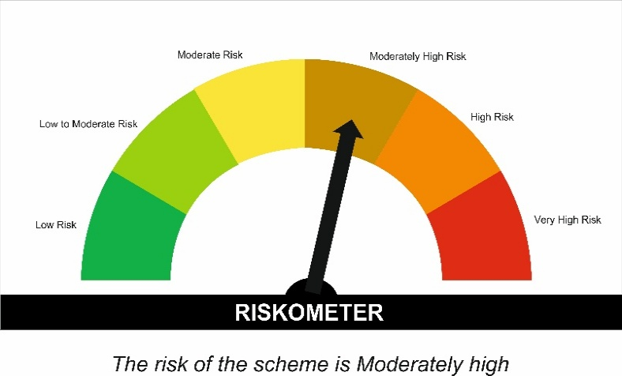

 | Tier I Benchmark Riskometer :
 | CRISIL Hybrid 85 Plus 15 - Conservative Index

